Ordering
Ordering spring flowering bulbs

Please send all orders to plant@ashkeys.co.uk or message us https://www.facebook.com/ashkeysgrowers/
Please send us your name, contact details (phone number and / or email), delivery address and your order.

We will contact you to confirm the order and delivery day. If possible payment should be made by BACS, we will provide details with order confirmation, alternatively we can take card or cash payments

We are delivering to Holderness villages, Hull, Hessle and Cottingham, Beverley and Surrounding villages. Please get in touch to find out more info. We will confirm delivery date with order confirmation. We typically deliver on a Thursday

Please email or Facebook message us orders, whilst we will try our best to answer the phone it is often not possible as we are on the nursery or out delivering plants.

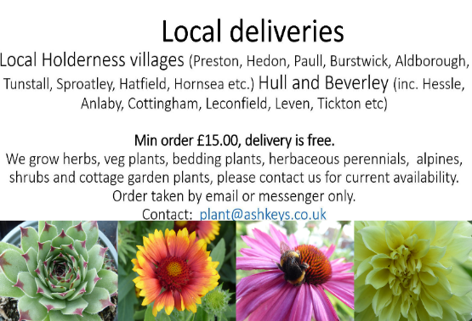
Minimum order £15.00 and delivery is free. Bulbs can be orders on their own or with plants (see www.ashkeys.co.uk for full plant availability list)



Whenever possible we use recyclable or biodegradable packing for our bulbs

Daffodils
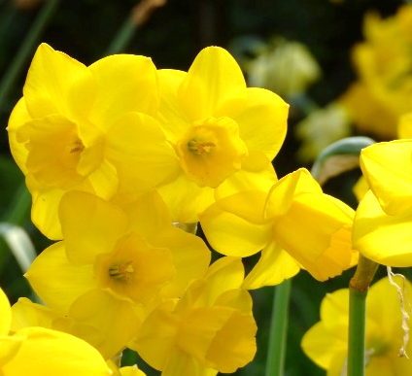
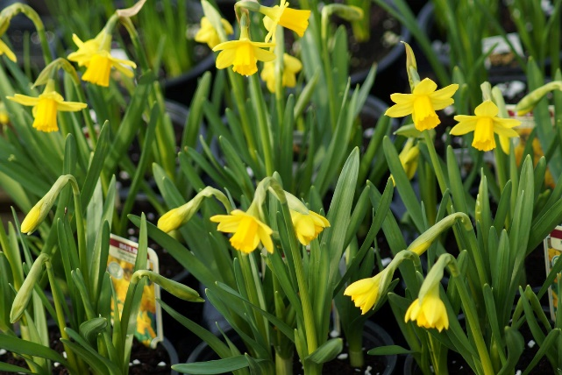
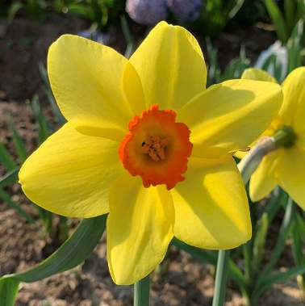
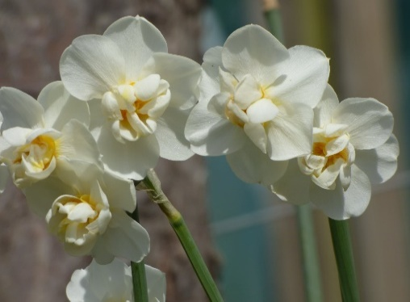
Minature daffosils |  |  |  |  |  |  |  |  | Large daffodils
Narcissus tazetta 'Minnow' AGM |  | £2.00 per bag (12 bulbs) | Narcissus jonquil 'Sweetness' |  | £2.00 per bag (12 bulbs) | Narcissus jonquil 'Tete-Tete' |  | £2.00 per bag (12 bulbs) | Narcissus 'Birma' |  | £2.00 per bag (6 bulbs) | Narcissus 'Cheerfulness' |  | £2.00 per bag (6 bulbs)
 | Multiheaded flower stems, cream yellow petals with yellow cup. Flowering time: April. Height: 25 cm (10") Plant approx. twice depth of the bulb. Suitable for semi shade, or full sun, clay, chalk, loam or sandy soils, very hardy. |  |  | Yellow petals with yellow cup, higly fragrant flowers. Flowering time: April. Height: 25 cm (10") Plant approx. twice depth of the bulb. Suitable for semi shade, or full sun, clay, chalk, loam or sandy soils, very hardy. |  |  | Multiheaded flowers, yellow petals with yellow cup. Flowering time: Feb - March. Height: 15 cm (6") Plant approx. twice depth of the bulb. Suitable for semi shade, or full sun, clay, chalk, loam or sandy soils, very hardy. |  |  | Yellow petals, deep scarlet cup. Flowering time: April - May. Height: 45 cm (16") Plant approx. twice depth of the bulb. Suitable for semi shade, or full sun, clay, chalk, loam or sandy soils, very hardy. |  |  | Double, multiheaded flowered daffodil with white petals intersected by cream- yellow corona segments, scented flowers. Flowering time: April - May. Height: 45 cm (18") Plant approx. twice depth of the bulb. Suitable for semi shade, or full sun, clay, chalk, loam or sandy soils, very hardy.

 | www.ashkeys.co.uk |  |  | www.ashkeys.co.uk |  |  | www.ashkeys.co.uk |  |  | www.ashkeys.co.uk |  |  | www.ashkeys.co.uk
 | E: plant@ashkeys.co.uk |  |  | E: plant@ashkeys.co.uk |  |  | E: plant@ashkeys.co.uk |  |  | E: plant@ashkeys.co.uk |  |  | E: plant@ashkeys.co.uk

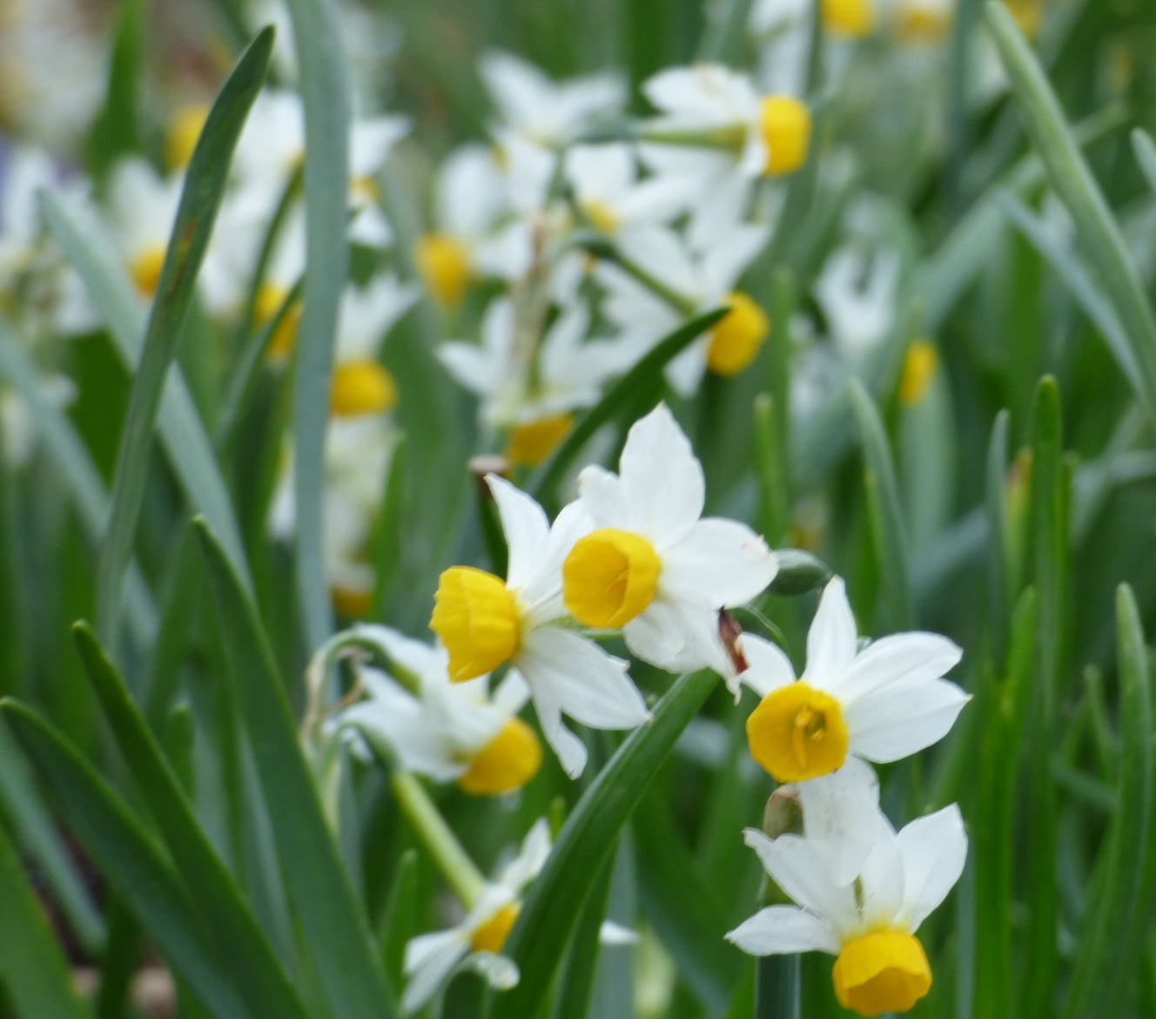
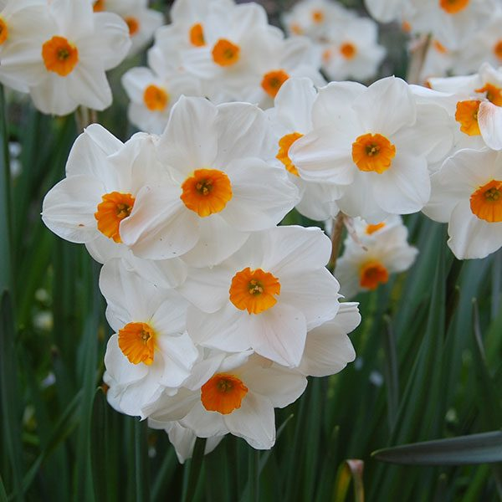
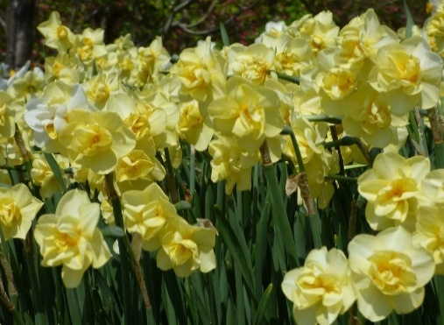
Narcissus 'Canaliculatas' |  | £2.00 per bag (12 bulbs) | Narcissus tazzetta 'Silver Chimes' |  | £2.00 per bag (8 bulbs) |  |  |  | Narcissus 'Geranium' |  | £2.00 per bag (6 bulbs) | Narcissus 'Cheerfulness yellow' |  | £2.00 per bag (6 bulbs)
 | Multiheaded flower stems, white petals with orange cup. Flowering time: April-May. Height: 15 cm (6") Plant approx. twice depth of the bulb. Suitable for semi shade, or full sun, clay, chalk, loam or sandy soils, very hardy. |  |  | Multiheaded flowers, cream wite petals with pale lemon cup. Flowering time: Spring. Height: 30 cm (12") Plant approx. twice depth of the bulb. Suitable for semi shade, or full sun, clay, chalk, loam or sandy soils, very hardy. |  |  |  |  |  | Double, multiheaded with white petals woth orange centre, scented flowers. Flowering time: April - May. Height: 40 cm (14") Plant approx. twice depth of the bulb. Suitable for semi shade, or full sun, clay, chalk, loam or sandy soils, very hardy. |  |  | Double, multiheaded flowered daffodil with creamy yellow petals intersected by cream- yellow corona segments, scented flowers. Flowering time: April - May. Height: 45 cm (18") Plant approx. twice depth of the bulb. Suitable for semi shade, or full sun, clay, chalk, loam or sandy soils, very hardy.
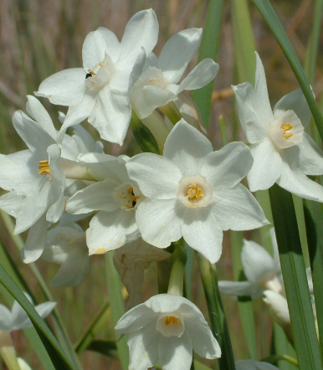

 | www.ashkeys.co.uk |  |  | www.ashkeys.co.uk |  |  |  |  |  | www.ashkeys.co.uk |  |  | www.ashkeys.co.uk
 | E: plant@ashkeys.co.uk |  |  | E: plant@ashkeys.co.uk |  |  |  |  |  | E: plant@ashkeys.co.uk |  |  | E: plant@ashkeys.co.uk

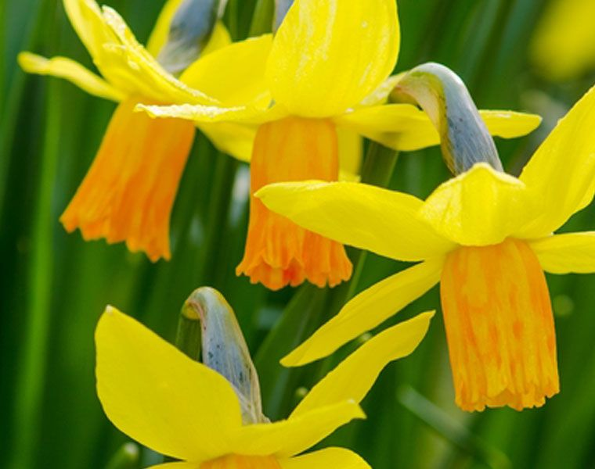
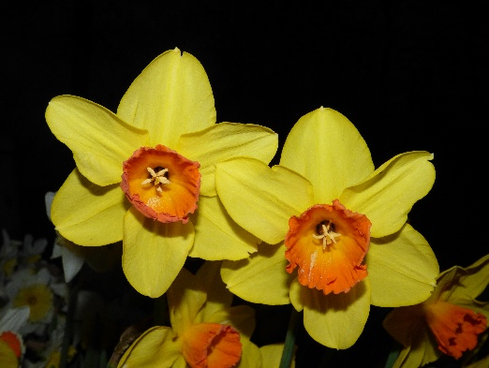
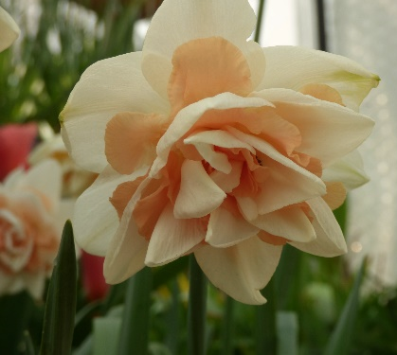
Narcissus jonquil 'Sun Disc' |  | £2.00 per bag (12 bulbs) | Narcissus cyclamineus 'Jet fire' |  | £2.00 per bag (12 bulbs) |  |  |  | Narcissus 'Red Devon' |  | £2.00 per bag (6 bulbs) | Narcissus 'Delnashaugh' |  | £2.00 per bag (6 bulbs)
 | Multiheaded flower stems, cream rounded petals with yellow cup. Scented Flowering time: April - May. Height: 20 cm (8") Plant approx. twice depth of the bulb. Suitable for semi shade, or full sun, clay, chalk, loam or sandy soils, very hardy. |  |  | Multiheaded flower stems, yellow petals with orange cup. Flowering time: March - April. Height: 20 cm (8") Plant approx. twice depth of the bulb. Suitable for semi shade, or full sun, clay, chalk, loam or sandy soils, very hardy. |  |  |  |  |  | Large yellow flowers with bright orange cup. Flowering time: April - May. Height: 45 cm (16") Plant approx. twice depth of the bulb. Suitable for semi shade, or full sun, clay, chalk, loam or sandy soils, very hardy. |  |  | Double, multiheaded flowered daffodil with white petals intersected by salmon corona segments. Flowering time: March - April. Height: 45 cm (18") Plant approx. twice depth of the bulb. Suitable for semi shade, or full sun, clay, chalk, loam or sandy soils, very hardy.

 | www.ashkeys.co.uk |  |  | www.ashkeys.co.uk |  |  |  |  |  | www.ashkeys.co.uk |  |  | www.ashkeys.co.uk
 | E: plant@ashkeys.co.uk |  |  | E: plant@ashkeys.co.uk |  |  |  |  |  | E: plant@ashkeys.co.uk |  |  | E: plant@ashkeys.co.uk

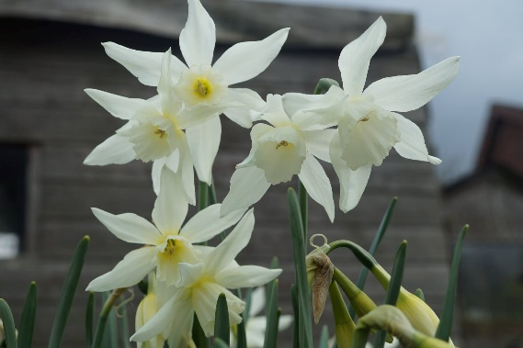
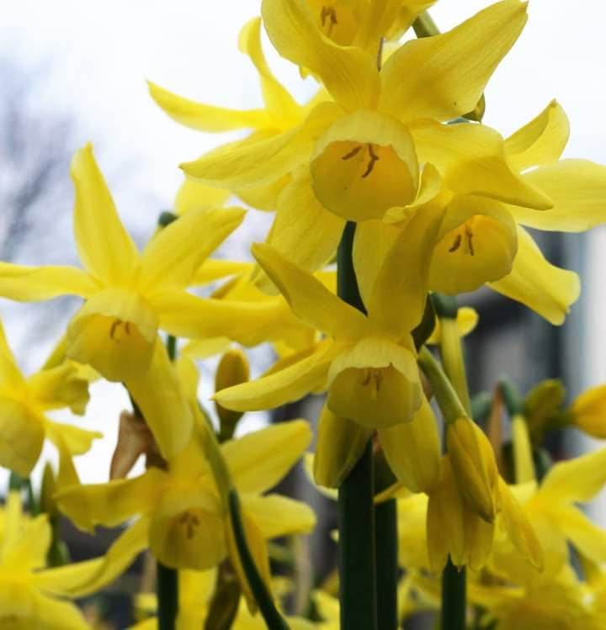
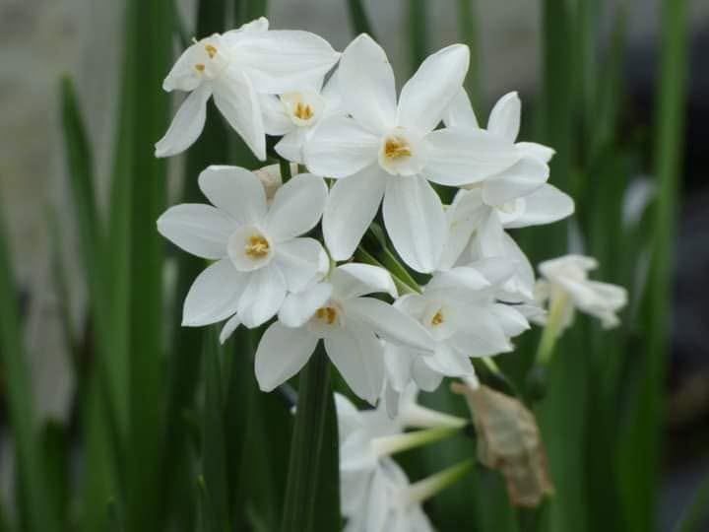
Narcissus triandrus 'Thalia' |  | £2.00 per bag (8 bulbs) | Narcissus cyclamineus 'Hawera' |  | £2.00 per bag (12 bulbs) | Narcissus 'Paperwhites' (indoors) |  | £2.00 per bag (3 bulbs) | Xl bag large daffodil £5.00 each
 | Multiheaded white petals with a white cup, lightly scented flowers. Flowering time: March - April. Height: 25 cm (10") Plant approx. twice depth of the bulb. Suitable for semi shade, or full sun, clay, chalk, loam or sandy soils, very hardy. |  |  | Multiheaded flowers, yellow petals with yellow cup. Flowering time: Feb - March. Height: 20-25 cm (8-10") Plant approx. twice depth of the bulb. Suitable for semi shade, or full sun, clay, chalk, loam or sandy soils, very hardy. |  |  | For indoor use only. A multiheaded scented white flower to flower in December / January.

 | www.ashkeys.co.uk |  |  | www.ashkeys.co.uk |  |  | www.ashkeys.co.uk
 | E: plant@ashkeys.co.uk |  |  | E: plant@ashkeys.co.uk |  |  | E: plant@ashkeys.co.uk

Tulips
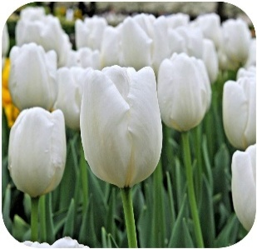
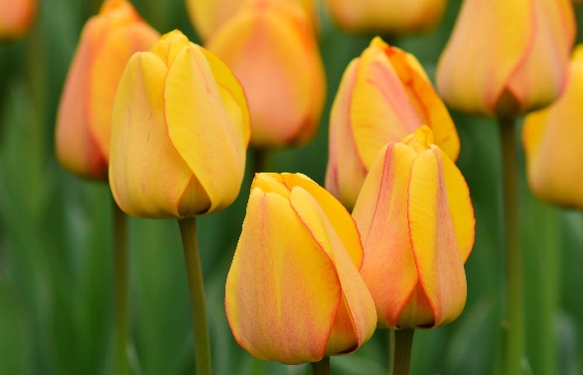
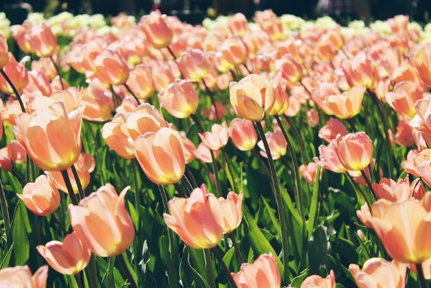
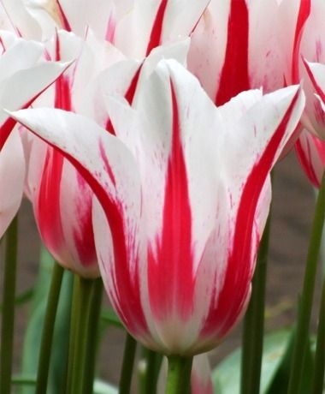
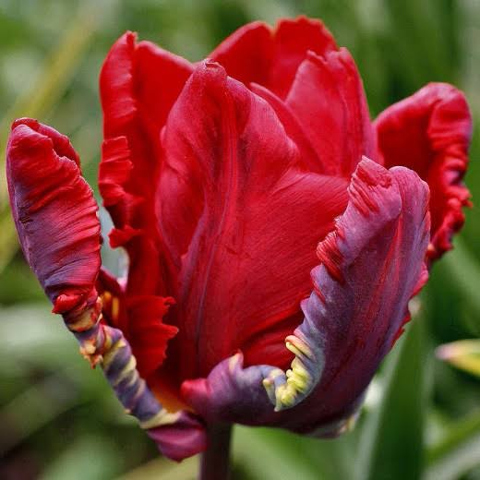
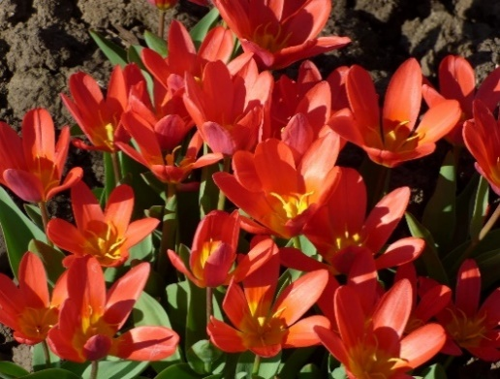
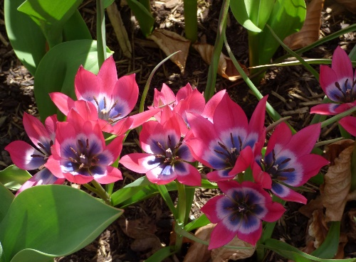
Tulipa triumph 'White dream' |  | £2.00 per bag (5 bulbs) | Tulipa triumph 'Flaming flag' |  | £2.00 per bag (5 bulbs) | Tulipa darwin 'Blushing apledoorn' |  | £2.00 per bag (5 bulbs) | Tulipa single early 'Apricot Beauty' |  | £2.00 per bag (5 bulbs) | Tulipa lily flowered 'Marilyn' |  | £2.00 per bag (5 bulbs) | Tulip parrot 'Rococo' |  | £2.00 per bag (5 bulbs) | Tulipa kaufmanniana 'Scarlett baby' |  |  | £2.00 per bag (9 bulbs) | Tulipa 'Little beauty' |  | £2.00 per bag (10 bulbs)
 | Triumph tulip, flowers are ivory white in mid to late spring. Height: 50 cm (20"). Plant in a sunny well drained spot or contianer. Store bulbs in a cool dry area until planting. Plant atleast twice the depth of the bulb. |  |  | Triumph tulip, flowers are white with a purpe flame in mid spring. Height: 50 cm (20"). Plant in a sunny well drained spot or contianer. Store bulbs in a cool dry area until planting. Plant atleast twice the depth of the bulb. |  |  | Darwin hybrid tulip, flowers are Lemon yellow, orange flame in mid spring. Height: 55 cm (22"). Plant in a sunny well drained spot or container. Store bulbs in a cool dry area until planting. Plant at least twice the depth of the bulb. |  |  | Single early, flowers are salmon pink flushed with orange mid spring. Height: 45 cm (18"). Plant in a sunny well drained spot or contianer. Store bulbs in a cool dry area until planting. Plant atleast twice the depth of the bulb. |  |  | Lily flowered type, strong white flowers with a deep cerise pink stripe mid to late spring. Height: 55 cm (22"). Plant in a sunny well drained spot or contianer. Store bulbs in a cool dry area until planting. Plant atleast twice the depth of the bulb. |  |  | Red parrot type. Approx height 45 cm (18"). Mid spring. Plant in a sunny well drained spot or container. Store bulbs in a cool dry area until planting. Plant at least twice the depth of the bulb. |  |  | Rockery type, scarlet red flowers with a yellow base early to mid spring. Height: 20 cm (8"). Plant in a sunny well drained spot or contianer. Store bulbs in a cool dry area until planting. Plant atleast twice the depth of the bulb. |  |  |  | Species type with deep pink flowers and deep purple centres in mid spring. Height: 10 cm (4"). Plant in a sunny well drained spot or container. Store bulbs in a cool dry area until planting. Plant at least twice the depth of the bulb. Ideal for alpine sinks and rockeries.

 | www.ashkeys.co.uk |  |  | www.ashkeys.co.uk |  |  | www.ashkeys.co.uk |  |  | www.ashkeys.co.uk |  |  | www.ashkeys.co.uk |  |  | www.ashkeys.co.uk |  |  | www.ashkeys.co.uk |  |  |  | www.ashkeys.co.uk
 | E: plant@ashkeys.co.uk |  |  | E: plant@ashkeys.co.uk |  |  | E: plant@ashkeys.co.uk |  |  | E: plant@ashkeys.co.uk |  |  | E: plant@ashkeys.co.uk |  |  | E: plant@ashkeys.co.uk |  |  | E: plant@ashkeys.co.uk |  |  |  | E: plant@ashkeys.co.uk

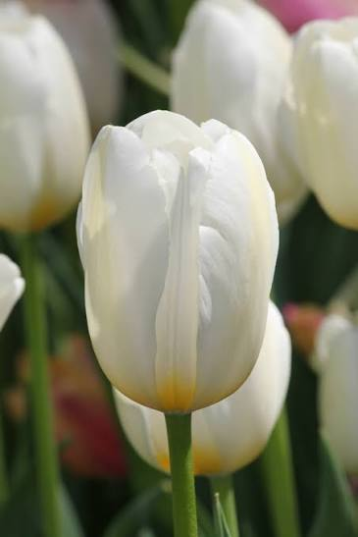
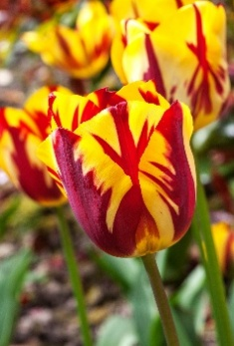
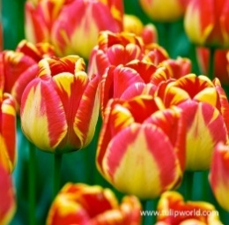
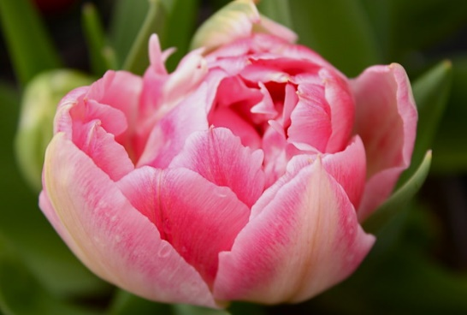
Tulipa triumph 'Helmar' |  | £2.00 per bag (5 bulbs) |  |  |  | Tulipa darwin 'Banja luka' |  | £2.00 per bag (5 bulbs) | Tulipa single early 'White flag' |  | £2.00 per bag (5 bulbs) | Tulip double 'Peach Blossom' |  | £2.00 per bag (5 bulbs) | Tulipa kaufmanniana 'Hearts Delight ' |  | £2.00 per bag (9 bulbs) | Tulipa greigii 'Coral satin' |  |  | £2.00 per bag (9 bulbs) | Tulipa 'Bak lilac wonder' |  | £2.00 per bag (10 bulbs)
 | Triumph tulip, flowers are yellow with deep red flame in mid spring. Height: 45 cm (18"). Plant in a sunny well drained spot or contianer. Store bulbs in a cool dry area until planting. Plant atleast twice the depth of the bulb. |  |  |  |  |  | Darwin hybrid tulip, flowers are yellow with a red flame in mid spring. Height: 50 cm (20"). Plant in a sunny well drained spot or container. Store bulbs in a cool dry area until planting. Plant at least twice the depth of the bulb. |  |  | Single early, flowers are white in spring. Height: 35 cm (14"). Plant in a sunny well drained spot or contianer. Store bulbs in a cool dry area until planting. Plant atleast twice the depth of the bulb. |  |  | Double flowered, rose flushed with white. Approx hieght 30 cm (12"). March - April. Plant in a sunny well drained spot or container. Store bulbs in a cool dry area until planting. Plant at least twice the depth of the bulb. |  |  | Rockery type, pink flowers with white edges early to mid spring. Height: 25 cm (10"). Plant in a sunny well drained spot or contianer. Store bulbs in a cool dry area until planting. Plant atleast twice the depth of the bulb. |  |  | Rockery type, scarlet red flowers with a yellow base early to mid spring. Height: 20 cm (8"). Plant in a sunny well drained spot or contianer. Store bulbs in a cool dry area until planting. Plant atleast twice the depth of the bulb. |  |  |  | Species type with taller stems lilac purple flowers with yellow centres in mid spring. Height: 15 cm (6"). Plant in a sunny well drained spot or container. Store bulbs in a cool dry area until planting. Plant at least twice the depth of the bulb. Ideal for alpine sinks and rockeries.
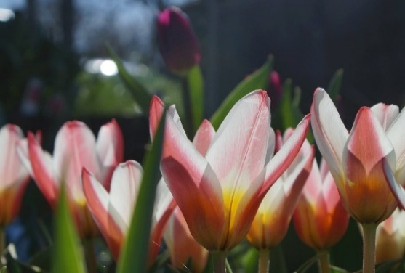

 | www.ashkeys.co.uk |  |  |  |  |  | www.ashkeys.co.uk |  |  | www.ashkeys.co.uk |  |  | www.ashkeys.co.uk |  |  | www.ashkeys.co.uk |  |  | www.ashkeys.co.uk |  |  |  | www.ashkeys.co.uk
 | E: plant@ashkeys.co.uk |  |  |  |  |  | E: plant@ashkeys.co.uk |  |  | E: plant@ashkeys.co.uk |  |  | E: plant@ashkeys.co.uk |  |  | E: plant@ashkeys.co.uk |  |  | E: plant@ashkeys.co.uk |  |  |  | E: plant@ashkeys.co.uk

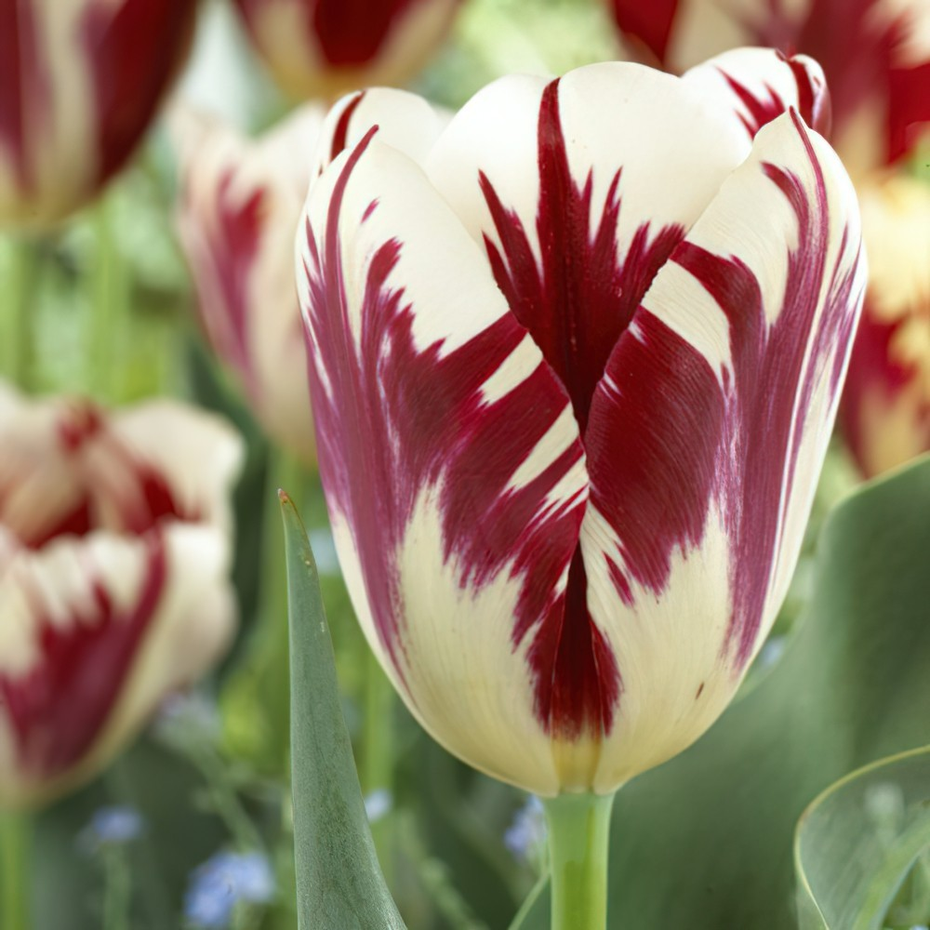
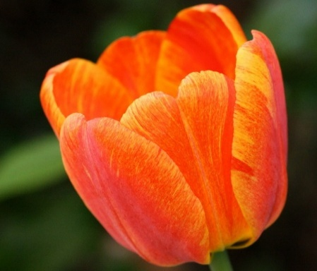
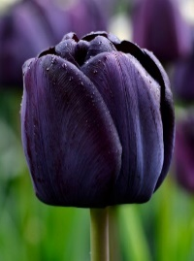
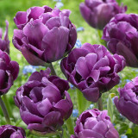
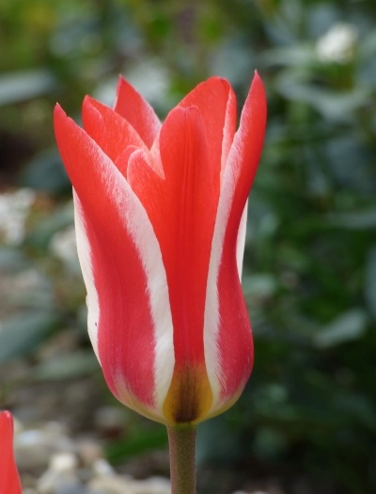
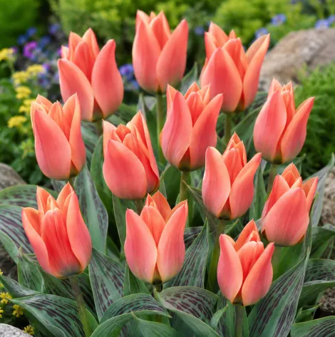
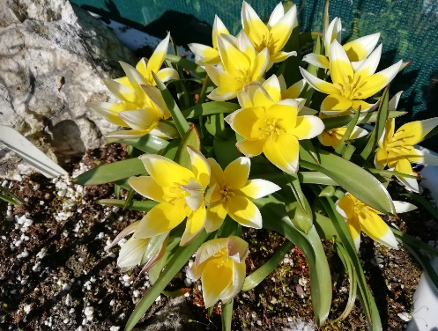
Tulipa triumph 'Grand perfection' |  | £2.00 per bag (5 bulbs) |  |  |  | Tulipa darwin 'Beauty apledoorn' |  | £2.00 per bag (5 bulbs) | Tulipa single late 'Queen of the night' |  | £2.00 per bag (5 bulbs) | Tulipa double 'Alicante' |  | £2.00 per bag (5 bulbs) | Tulipa greigii 'Pinocchio ' |  | £2.00 per bag (9 bulbs) | Tulipa greigii 'Calypso' |  |  | £2.00 per bag (9 bulbs) | Tulipa tarda |  | £2.00 per bag (10 bulbs)
 | Triumph tulip, flowers are creamy yellow, white with crimson flame in mid spring. Height: 45 cm (18"). Plant in a sunny well drained spot or contianer. Store bulbs in a cool dry area until planting. Plant atleast twice the depth of the bulb. |  |  |  |  |  | Darwin hybrid tulip, flowers are orange with a red flame in mid spring. Height: 55 cm (22"). Plant in a sunny well drained spot or container. Store bulbs in a cool dry area until planting. Plant at least twice the depth of the bulb. |  |  | Single late, flowers are adeep maroon near black mid spring. Height: 60 cm (24"). Plant in a sunny well drained spot or contianer. Store bulbs in a cool dry area until planting. Plant atleast twice the depth of the bulb. |  |  | Double flowered, violet with white edge. Approx hieght 50 cm (20"). March - April. Plant in a sunny well drained spot or container. Store bulbs in a cool dry area until planting. Plant at least twice the depth of the bulb. |  |  | Rockery type, flowers are red with a white stripe in mid spring. Height: 25 cm (10"). Plant in a sunny well drained spot or contianer. Store bulbs in a cool dry area until planting. Plant atleast twice the depth of the bulb. |  |  | Rockery type, orange - salmon early spring. Height: 30 cm (12"). Plant in a sunny well drained spot or contianer. Store bulbs in a cool dry area until planting. Plant atleast twice the depth of the bulb. |  |  |  | Species type with yellow flowers and white centres in mid spring. Fragrant. Height: 15 cm (6"). Plant in a sunny well drained spot or container. Store bulbs in a cool dry area until planting. Plant at least twice the depth of the bulb. Ideal for alpine sinks and rockeries.

 | www.ashkeys.co.uk |  |  |  |  |  | www.ashkeys.co.uk |  |  | www.ashkeys.co.uk |  |  | www.ashkeys.co.uk |  |  | www.ashkeys.co.uk |  |  | www.ashkeys.co.uk |  |  |  | www.ashkeys.co.uk
 | E: plant@ashkeys.co.uk |  |  |  |  |  | E: plant@ashkeys.co.uk |  |  | E: plant@ashkeys.co.uk |  |  | E: plant@ashkeys.co.uk |  |  | E: plant@ashkeys.co.uk |  |  | E: plant@ashkeys.co.uk |  |  |  | E: plant@ashkeys.co.uk

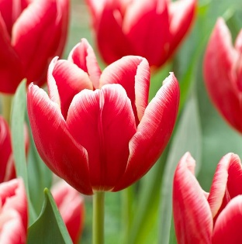
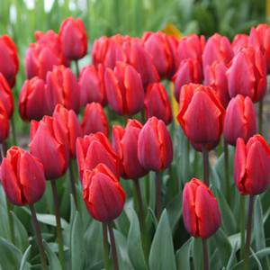
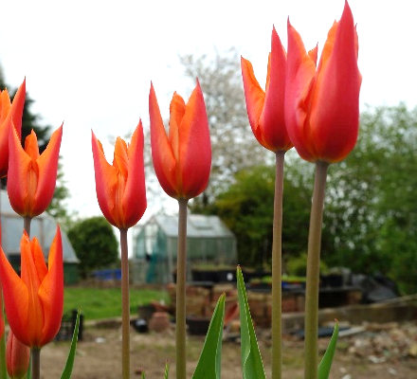
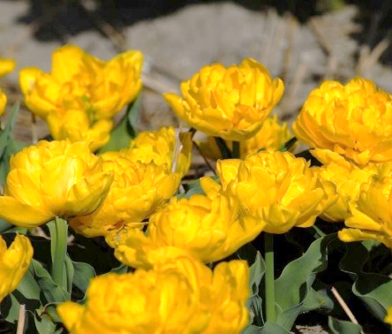
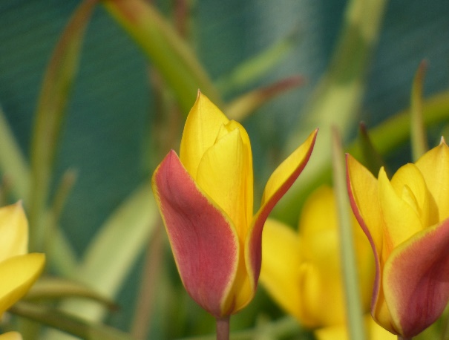
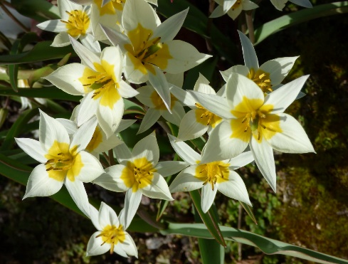
Tulipa triumph 'Vampire' |  | £2.00 per bag (5 bulbs) |  |  |  | Tulipa single early 'Couler cardinal' |  | £2.00 per bag (5 bulbs) | Tulipa lily flowered 'Ballerina' |  | £2.00 per bag (5 bulbs) | Tulip double 'Yellow baby' |  | £2.00 per bag (5 bulbs) | Tulipa greigii 'Red Riding Hood' |  | £2.00 per bag (9 bulbs) | Tulipa chrysantha |  | £2.00 per bag (10 bulbs) |  | Tulipa turkistanica |  | £2.00 per bag (10 bulbs)
 | Triumph tulip, flowers aredeep red with white edge in spring. Height: 50 cm (20"). Plant in a sunny well drained spot or contianer. Store bulbs in a cool dry area until planting. Plant atleast twice the depth of the bulb. |  |  |  |  |  | Single early, flowers are a deep red flower with purple flame in spring. Height: 35 cm (14"). Plant in a sunny well drained spot or contianer. Store bulbs in a cool dry area until planting. Plant atleast twice the depth of the bulb. |  |  | Lily flowered type, strong orange flowers in mid to late spring. Frangrant Height: 60 cm (24"). Plant in a sunny well drained spot or contianer. Store bulbs in a cool dry area until planting. Plant atleast twice the depth of the bulb. |  |  | Double flowered, yellow. Approx hieght 35 cm (14"). March - April. Plant in a sunny well drained spot or container. Store bulbs in a cool dry area until planting. Plant at least twice the depth of the bulb. |  |  | Rockery type, flowers are bright red and multistemed in mid spring. Height: 20 cm (8"). Plant in a sunny well drained spot or contianer. Store bulbs in a cool dry area until planting. Plant atleast twice the depth of the bulb. |  |  | Species type withred and yellow in mid spring. Height: 25 cm (10"). Plant in a sunny well drained spot or container. Store bulbs in a cool dry area until planting. Plant at least twice the depth of the bulb. Ideal for alpine sinks and rockeries. |  |  |  | Species type with creamy white flowers and yellow centres in mid spring. Height: 30 cm (12"). Plant in a sunny well drained spot or container. Store bulbs in a cool dry area until planting. Plant at least twice the depth of the bulb. Ideal for alpine sinks and rockeries.

 | www.ashkeys.co.uk |  |  |  |  |  | www.ashkeys.co.uk |  |  | www.ashkeys.co.uk |  |  | www.ashkeys.co.uk |  |  | www.ashkeys.co.uk |  |  | www.ashkeys.co.uk |  |  |  | www.ashkeys.co.uk
 | E: plant@ashkeys.co.uk |  |  |  |  |  | E: plant@ashkeys.co.uk |  |  | E: plant@ashkeys.co.uk |  |  | E: plant@ashkeys.co.uk |  |  | E: plant@ashkeys.co.uk |  |  | E: plant@ashkeys.co.uk |  |  |  | E: plant@ashkeys.co.uk

Iris and crocus
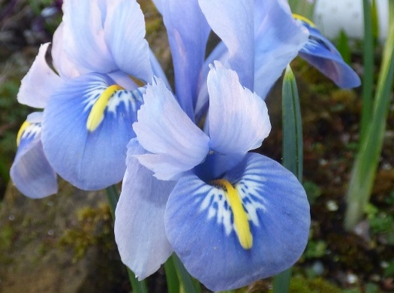
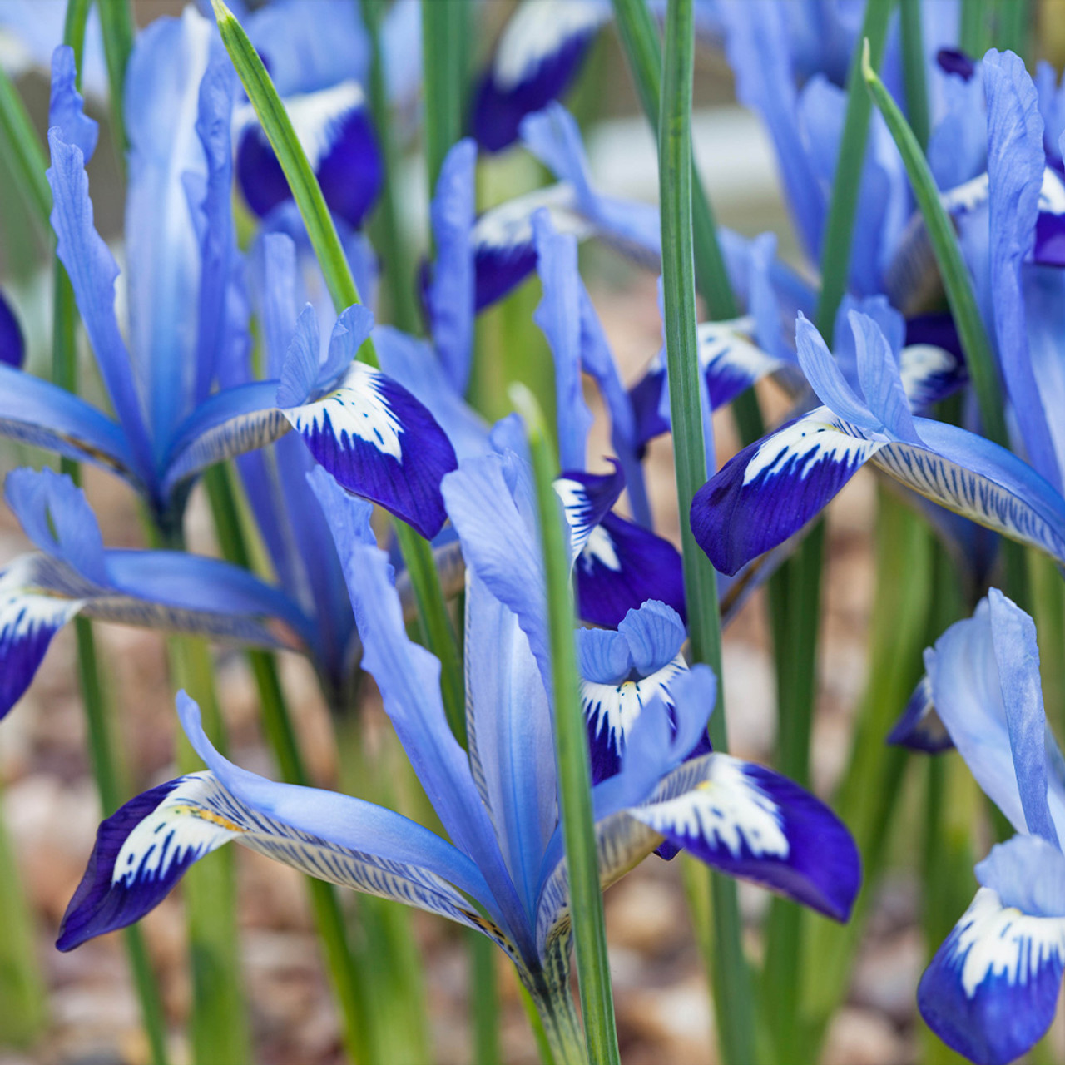
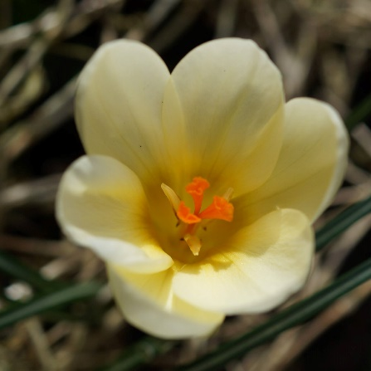
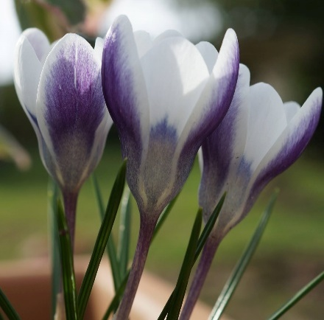
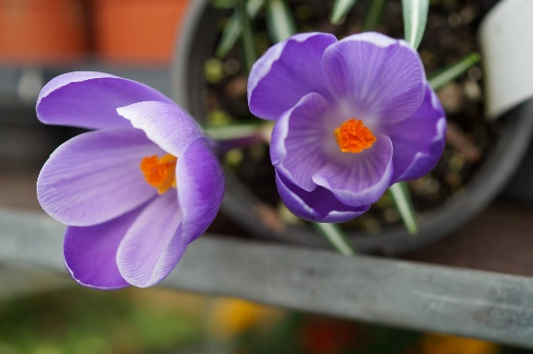
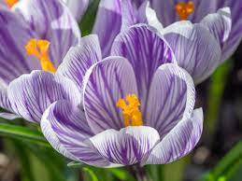
Iris reticulata 'Alida' |  | £2.00 per bag (9 bulbs) | Iris reticulata 'Clairette' |  | £2.00 per bag (9 bulbs) | Crocus 'Cream beauty' |  | £2.00 per bag (12 bulbs) |  | Crocus 'Prins claus' |  | £2.00 per bag (8 bulbs) | Crocus large flowered 'Purple' |  | £2.00 per bag (12 bulbs) | Crocus large flowered 'Striped' |  | £2.00 per bag (12 bulbs) | Colchicum 'The giant' |  | £3.50 each, top sized bulbs
 | Miniature iris, pale blue flowers with yellow throat in late winter and early spring. Height: 10 cm (4"). Needs a well drained soil or plant in containers or rockeries in a sunny position. Very hardy. Good for bees. Plant approx. 2 times depth of the bulb. |  |  | Miniature iris, mid blue flowers with yellow throat in early spring. Height: 10 cm (4"). Needs a well drained soil or plant in containers or rockeries in a sunny position. Very hardy. Good for bees. Plant approx. 2 times depth of the bulb. |  |  | Species crocus,creamy yellow flowers in late winter and spring. Fragrant Height: 10 cm (4"). Needs a well drained soil or plant in containers or rockeries in a sunny position or under deciduous trees. Very hardy. Good for bees. Plant approx. 2 times depth of the bulb. |  |  |  | Species crocus, purple and white striped flowers in late winter and spring. Height: 10 cm (4"). Needs a well drained soil or plant in containers or rockeries in a sunny position or under deciduous trees. Very hardy. Good for bees. Plant approx. 2 times depth of the bulb. |  |  | Large flowered crocus, purple goblet-shaped flowers in March and April. Perfect for naturalising in the lawn or allowing to meander through the front of a sunny, well-drained site. Prefer poor or moderate soil, very hardy. Plant approx twice depth of the bulb. Good for bees. |  |  | Large flowered crocus, purple and white striped flowers in March and April. Naturalise in the lawn or allowing to meander through the front of a sunny, well-drained site. Prefer poor or moderate soil, very hardy. Plant approx twice depth of the bulb. Good for bees. |  |  | 20 cm (10"). Lilac pink. Plant end of august / early September. Autumn flowering. Well drained soil, sunny position.

 | www.ashkeys.co.uk |  |  | www.ashkeys.co.uk |  |  | www.ashkeys.co.uk |  |  |  | www.ashkeys.co.uk |  |  | www.ashkeys.co.uk |  |  | www.ashkeys.co.uk |  |  | www.ashkeys.co.uk
 | E: plant@ashkeys.co.uk |  |  | E: plant@ashkeys.co.uk |  |  | E: plant@ashkeys.co.uk |  |  |  | E: plant@ashkeys.co.uk |  |  | E: plant@ashkeys.co.uk |  |  | E: plant@ashkeys.co.uk |  |  | E: plant@ashkeys.co.uk

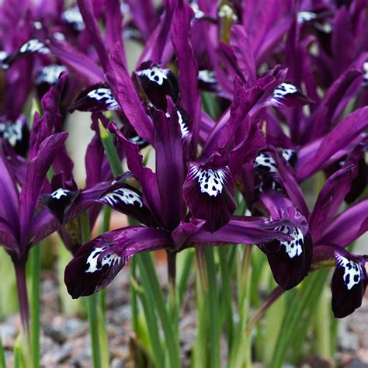
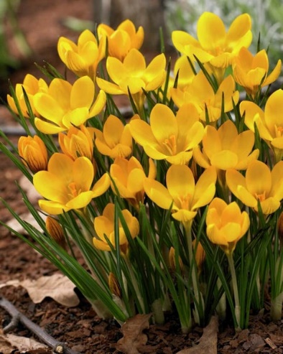
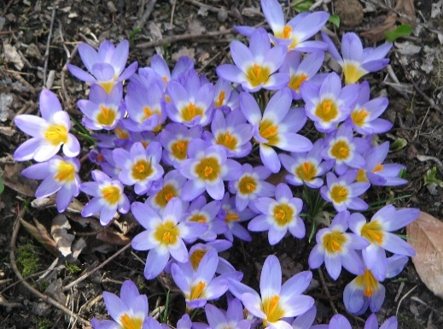
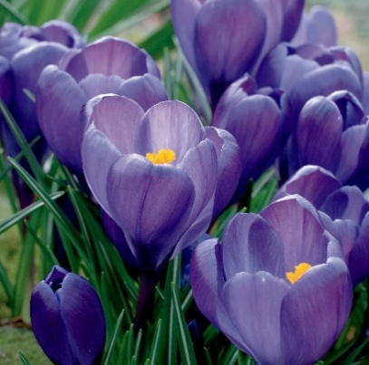

Iris reticulata 'Pauline' |  | £2.00 per bag (9 bulbs) | Iris reticulata |  | £2.00 per bag (9 bulbs) | Crocus 'Dorothy' |  |  | £2.00 per bag (12 bulbs) | Crocus sieberi subsp. sublimis 'Tricolor' |  | £2.00 per bag (12 bulbs) | Crocus large flowered 'Blue' |  | £2.00 per bag (12 bulbs) | Crocus sativus (safforn) |  | £2.00 per bag (10 bulbs) | Colchicum 'Waterlily' |  | £3.50 each, top sized bulbs
 | Miniature iris, dark blue flowers with a white throat in early spring. Height: 10 cm (4"). Needs a well drained soil or plant in containers or rockeries in a sunny position. Very hardy. Good for bees. Plant approx. 2 times depth of the bulb. |  |  | Miniature iris, deep blue flowers with yellow throat in early spring. Height: 10 cm (4"). Needs a well drained soil or plant in containers or rockeries in a sunny position. Very hardy. Good for bees. Plant approx. 2 times depth of the bulb. |  |  | Species crocus, pale yellow flowers in late winter and spring. Fragrant Height: 10 cm (4"). Needs a well drained soil or plant in containers or rockeries in a sunny position or under deciduous trees. Very hardy. Good for bees. Plant approx. 2 times depth of the bulb. |  |  |  | Species crocus, pale mauve petals and a throat yellow with a white outer zone flowering in late winter and spring. Fragrant Height: 10 cm (4"). Needs a well drained soil or plant in containers or rockeries in a sunny position or under deciduous trees. Very hardy. Good for bees. Plant approx. 2 times depth of the bulb. |  |  | Large flowered crocus, blue- purple goblet-shaped flowers in March and April. Perfect for naturalising in the lawn or allowing to meander through the front of a sunny, well-drained site. Prefer poor or moderate soil, very hardy. Plant approx twice depth of the bulb. Good for bees. |  |  | An autumn-flowering corm. It produces large, goblet flowers in pale purple with a red stigma. 10 cm (4") Chalk, loam or sandy soil - well drained. Full sun. Plant approx. 2 times depth of the bulb. |  |  | 10 cm (4"). Double pink. Plant end of august / early September. Autumn flowering. Well drained soil, sunny position.


 | www.ashkeys.co.uk |  |  | www.ashkeys.co.uk |  |  | www.ashkeys.co.uk |  |  |  | www.ashkeys.co.uk |  |  | www.ashkeys.co.uk |  |  | www.ashkeys.co.uk |  |  | www.ashkeys.co.uk
 | E: plant@ashkeys.co.uk |  |  | E: plant@ashkeys.co.uk |  |  | E: plant@ashkeys.co.uk |  |  |  | E: plant@ashkeys.co.uk |  |  | E: plant@ashkeys.co.uk |  |  | E: plant@ashkeys.co.uk |  |  | E: plant@ashkeys.co.uk





Iris reticulata 'Harmony' |  | £2.00 per bag (9 bulbs) | Iris reticulata 'J.S. Dijt' |  | £2.00 per bag (9 bulbs) | Crocus chrysanthus var. fuscotinctus |  |  | £2.00 per bag (12 bulbs) | Crocus tommasinianus 'Ruby Giant' |  | £2.00 per bag (12 bulbs) | Crocus large flowered 'White' |  | £2.00 per bag (12 bulbs) |  |  |  | Colchicum autumnalle 'Album' |  | £3.50 each, top sized bulbs
 | Miniature iris, mid blue flowers with a yellow and white throat in early spring. Height: 10 cm (4"). Needs a well drained soil or plant in containers or rockeries in a sunny position. Very hardy. Good for bees. Plant approx. 2 times depth of the bulb. |  |  | Miniature iris, deep purple flowers with a yellow and white throat in early spring. Height: 10 cm (4"). Needs a well drained soil or plant in containers or rockeries in a sunny position. Very hardy. Good for bees. Plant approx. 2 times depth of the bulb. |  |  | Species crocus, brightyellow flowers with black-maroon stripes in late winter and spring. Fragrant Height: 10 cm (4"). Needs a well drained soil or plant in containers or rockeries in a sunny position or under deciduous trees. Very hardy. Good for bees. Plant approx. 2 times depth of the bulb. |  |  |  | Species crocus, deep purple flowering in late winter and spring. Larger flowers. Height: 10 cm (4"). Needs a well drained soil or plant in containers or rockeries in a sunny position or under deciduous trees. Very hardy. Good for bees. Plant approx. 2 times depth of the bulb. |  |  | Large flowered crocus, white goblet-shaped flowers in March and April. Perfect for naturalising in the lawn or allowing to meander through the front of a sunny, well-drained site. Prefer poor or moderate soil, very hardy. Plant approx twice depth of the bulb. Good for bees. |  |  |  |  |  | 15 cm (6"). White. Plant end of august / early September. Autumn flowering. Well drained soil, sunny position.


 | www.ashkeys.co.uk |  |  | www.ashkeys.co.uk |  |  | www.ashkeys.co.uk |  |  |  | www.ashkeys.co.uk |  |  | www.ashkeys.co.uk |  |  |  |  |  | www.ashkeys.co.uk
 | E: plant@ashkeys.co.uk |  |  | E: plant@ashkeys.co.uk |  |  | E: plant@ashkeys.co.uk |  |  |  | E: plant@ashkeys.co.uk |  |  | E: plant@ashkeys.co.uk |  |  |  |  |  | E: plant@ashkeys.co.uk

Alliums






Medium |  |  |  |  |  | Large |  |  |  |  |  | Naturlising
Allium christophii |  | 50 p each | Allium aflatunense AGM |  | 50 p each | Allium 'Mount Everst' |  | £2.50 each | Allium 'Lucy Ball' |  | £2.50 each | Allium neopolitanum |  | £2.00 per bag (25 bulbs) | Allium sphaerocephalon |  | £2.00 per bag (25 bulbs)
 | Globes of small star-shaped, pinkish-purple flowers, mid summer. In bloom these fabulous globes - up to 20cm (8in) in diameter. Height: 40 cm (16") Plant atleast twice depth of the bulb. Prefers full sun, well drained soil, very hardy. Good for bees. |  |  | Soft lilac-purple flowers, 10 cm across, slight dome shape. Height: 80 cm (32") Plant atleast twice depth of the bulb. Prefers full sun, well drained soil, hardy. Good for bees. |  |  | Giant-size creamy white flowers in mid to late summer. Height: 120 cm (48") Plant atleast twice depth of the bulb. Prefers full sun, well drained soil, hardy. Good for bees. |  |  | Giant-size rose purple scented flowers in early to mid summer. Height: 85 cm (36") Plant atleast twice depth of the bulb. Prefers full sun, well drained soil, very hardy. Good for bees. |  |  | Clusters of star-shaped, white flowers in late spring flowers. Height: 30 cm (12") Plant approx. twice depth of the bulb. Prefers full sun, well drained can be grown in containers, very hardy. Good for bees. |  |  | Dark purple flowers in mid summer flowers. Height: 60 cm (24") Plant approx. twice depth of the bulb. Prefers full sun, well drained csoil, very hardy. Good for bees.

 | www.ashkeys.co.uk |  |  | www.ashkeys.co.uk |  |  | www.ashkeys.co.uk |  |  | www.ashkeys.co.uk |  |  | www.ashkeys.co.uk |  |  | www.ashkeys.co.uk
 | E: plant@ashkeys.co.uk |  |  | E: plant@ashkeys.co.uk |  |  | E: plant@ashkeys.co.uk |  |  | E: plant@ashkeys.co.uk |  |  | E: plant@ashkeys.co.uk |  |  | E: plant@ashkeys.co.uk







Allium 'Purple Rain' AGM |  | 50 p each | Allium hollandicum 'Purple Sensation' AGM |  | 50 p each | Allium 'Gladiator' AGM |  | £2.50 each | Allium 'Magic' |  | £2.50 each | Allium oreophlium |  | £2.00 per bag (25 bulbs) | Allium roseum |  | £2.00 per bag (25 bulbs)
 | Open heads of star-shaped flowers on sturdy stems that stand up well in poor weather conditions. A cross between t 'Purple Sensation' and cristophii. Height: 80 cm (32") Plant atleast twice depth of the bulb. Prefers full sun, well drained soil, very hardy. Good for bees. |  |  | Globes of small star-shaped, pinkish-purple flowers, mid summer. Height: 100 cm (40") Plant atleast twice depth of the bulb. Prefers full sun, well drained soil, very hardy. Good for bees. |  |  | Giant-sized rose-purple flowerheads (to 15 cm across) in mid summer. Height: 120 cm (48") Plant atleast twice depth of the bulb. Prefers full sun, well drained soil, very hardy. Good for bees. |  |  | Round large deep purple-violet flowerheads (to 15 cm across) in mid summer. Height: 90 - 120 cm (48") Plant atleast twice depth of the bulb. Prefers full sun, well drained soil, very hardy. Good for bees. |  |  | Clusters of star-shaped, deep pink flowers in late spring and early summer flowers. Height: 10 cm (4") Plant approx. twice depth of the bulb. Prefers full sun, well drained can be grown in containers, very hardy. Good for bees. |  |  | Clusters of loosely-packed, star-shaped, pale pink early summer flowers. Height: 45 cm (18") Plant approx. twice depth of the bulb. Prefers full sun, well drained can be grown in containers, very hardy. Good for bees.

 | www.ashkeys.co.uk |  |  | www.ashkeys.co.uk |  |  | www.ashkeys.co.uk |  |  | www.ashkeys.co.uk |  |  | www.ashkeys.co.uk |  |  | www.ashkeys.co.uk
 | E: plant@ashkeys.co.uk |  |  | E: plant@ashkeys.co.uk |  |  | E: plant@ashkeys.co.uk |  |  | E: plant@ashkeys.co.uk |  |  | E: plant@ashkeys.co.uk |  |  | E: plant@ashkeys.co.uk





Allium autopureum |  | 50 p each | Nectaroscordum siculum |  | 50 p each | Allium 'His exellency' |  | £2.50 each |  |  |  | Allium azureum (caeruleum) |  | £2.00 per bag (12 bulbs)
 | Deep puple flowers in early summer. Height: 80 cm (32") Plant atleast twice depth of the bulb. Prefers full sun, well drained soil, very hardy. Good for bees. |  |  | Umbrella of hanging, bell-shaped, creamy-green flowers flushed with lilac on stiff stems, mid summer. Height: 120 cm (50") Plant atleast twice depth of the bulb.Prefers full sun, well drained soil, very hardy. Good for bees. |  |  | Giant-sized purple-blue flower heads (to 15 cm across) in early to mid summer. Height: 100 cm (40") Plant at least twice depth of the bulb. Prefers full sun, well drained soil, very hardy. Good for bees. |  |  |  |  |  | Clusters of star-shaped, deep bllue flowers in late spring and early summer flowers. Height: 60 cm (2ft) Plant approx. twice depth of the bulb. Prefers full sun, well drained can be grown in containers, very hardy. Good for bees.

 | www.ashkeys.co.uk |  |  | www.ashkeys.co.uk |  |  | www.ashkeys.co.uk |  |  |  |  |  | www.ashkeys.co.uk
 | E: plant@ashkeys.co.uk |  |  | E: plant@ashkeys.co.uk |  |  | E: plant@ashkeys.co.uk |  |  |  |  |  | E: plant@ashkeys.co.uk



Xl bag - £5.00 | 12 bulbs per bag |  | Allium nigrum |  | 50 p each
 | Purple rain, nectaroscordum, purple sensation, christophii, nigrum, aflatuense, autopurpureum |  |  | Cream white flowers. Height: 75 cm (30") Plant at least twice depth of the bulb. Prefers full sun, well drained soil, very hardy. Good for bees.

 | www.ashkeys.co.uk |  |  | www.ashkeys.co.uk
 | E: plant@ashkeys.co.uk |  |  | E: plant@ashkeys.co.uk

Hyacinth




Prepared hyacinth 'City of haarlem' |  | £1.00 each | Prepared hyacinth 'White pearl' |  | £1.00 each | Bedding hyacinth 'Blue Jacket' |  | 3 bulbs for £2.00 | Bedding hyacinth 'Gypsy Queen' |  | 3 bulbs for £2.00
 | Prepared hyacith for forcing for early flowering (winter). Yellow flowers. |  |  | Prepared hyacith for forcing for early flowering (winter). White flowers. |  |  | Outdoor hyacinth, spring flowering approx 20 cm (8"). Dark blue flowers. |  |  | Outdoor hyacinth, psring flowering approx 20 cm (8"). Orange flowers.

 | www.ashkeys.co.uk |  |  | www.ashkeys.co.uk |  |  | www.ashkeys.co.uk |  |  | www.ashkeys.co.uk
 | E: plant@ashkeys.co.uk |  |  | E: plant@ashkeys.co.uk |  |  | E: plant@ashkeys.co.uk |  |  | E: plant@ashkeys.co.uk




Prepared hyacinth 'Delft blue' |  | £1.00 each | Prepared hyacinth 'Jan boss' |  | £1.00 each | Bedding hyacinth 'Pink Pearl' |  | 3 bulbs for £2.00 | Bedding hyacinth 'Splendid cornelia ' |  | 3 bulbs for £2.00
 | Prepared hyacith for forcing for early flowering (winter). Mid blue flowers. |  |  | Prepared hyacith for forcing for early flowering (winter). Dark pink flowers. |  |  | Outdoor hyacinth, psring flowering approx 20 cm (8"). Mid pink flowers. |  |  | Outdoor hyacinth, psring flowering approx 20 cm (8"). Lilac flowers.


 | www.ashkeys.co.uk |  |  | www.ashkeys.co.uk |  |  | www.ashkeys.co.uk |  |  | www.ashkeys.co.uk
 | E: plant@ashkeys.co.uk |  |  | E: plant@ashkeys.co.uk |  |  | E: plant@ashkeys.co.uk |  |  | E: plant@ashkeys.co.uk


Xl bag - £5.00 | 7 bulbs per bag |  |  |  |  | Bedding hyacinth 'Woodstock' |  | 3 bulbs for £2.00
prepared hyacinth | City of Harlemm, delph blue, jan boss, white pearl |  |  |  |  |  | Outdoor hyacinth, psring flowering approx 20 cm (8"). Deep purple flowers.

 | www.ashkeys.co.uk |  |  |  |  |  | www.ashkeys.co.uk
 | E: plant@ashkeys.co.uk |  |  |  |  |  | E: plant@ashkeys.co.uk

Naturlising




Fritillaria uva vulpis |  | £2.00 per bag (15 bulbs) | Chionodoxa luciliae 'Pink Giant' |  | £2.00 per bag (15 bulbs) | Ipheion uniflorum 'Wisley Blue' AGM |  |  | £2.00 per bag (15 bulbs) | Muscari latifolium |  | £2.00 per bag (15 bulbs) | Tulipa tarda |  | £2.00 per bag (10 bulbs) | Narcissus jonquil 'Tete-Tete' |  | £2.00 per bag (12 bulbs)
 | Maroon flowers with yellow tip flowering April - May. Approx height 25 cm (10") Plant in full sun or semi shade. Prefers well drained position chalk, loam and sandy soils, hardy. Plant atleast twice the depth of the bulb. Good for bees. |  |  | Masses of pink flowering March - April. Approx height 20 cm (8") Plant in full sun or semi shade. Good for clay soils aswell as chalk, loam and sandy soils, very hardy. Plant atleast twice the depth of the bulb. Good for bees. |  |  | Fragrant, lilac-blue flowers March - May. Approx height 10 cm (4") Plant in full sun. Good for clay soils aswell as chalk, loam and sandy soils, hardy. Plant atleast twice the depth of the bulb. |  |  |  | Dark blue flowers with mid blue tops in early to mid spring. Approx height 20 cm (8") Plant in full sun or semi shade, in poorer or moderatley fertile soil. Good for all soil types, very hardy. Plant atleast twice the depth of the bulb. Good for bees. |  |  | Species type with yellow flowers and white centres in mid spring. Fragrant. Height: 15 cm (6"). Plant in a sunny well drained spot or container. Store bulbs in a cool dry area until planting. Plant at least twice the depth of the bulb. Ideal for alpine sinks and rockeries. |  |  | Multiheaded flowers, yellow petals with yellow cup. Flowering time: Feb - March. Height: 15 cm (6") Plant approx. twice depth of the bulb. Suitable for semi shade, or full sun, clay, chalk, loam or sandy soils, very hardy.

 | www.ashkeys.co.uk |  |  | www.ashkeys.co.uk |  |  | www.ashkeys.co.uk |  |  |  | www.ashkeys.co.uk |  |  | www.ashkeys.co.uk |  |  | www.ashkeys.co.uk
 | E: plant@ashkeys.co.uk |  |  | E: plant@ashkeys.co.uk |  |  | E: plant@ashkeys.co.uk |  |  |  | E: plant@ashkeys.co.uk |  |  | E: plant@ashkeys.co.uk |  |  | E: plant@ashkeys.co.uk





Fritillaria meleagris AGM |  | £2.00 per bag (9 bulbs) | Chionodoxa luciliae 'Alba' |  | £2.00 per bag (15 bulbs) | Ornithogalum umbellatum |  | £2.00 per bag (15 bulbs) |  | Muscari armeniacum 'Siberian tiger |  | £2.00 per bag (15 bulbs) | Tulipa turkistanica |  | £2.00 per bag (10 bulbs) | Camassia quamash |  | £2.00 per bag (15 bulbs)
 | Nodding, bell-shaped purple or white flowers April - May. Approx height 30 cm (12") Plant in full sun or semi shade. Prefers moist- well drained position, clay, chalk, loam and sandy soils, hardy. Plant atleast twice the depth of the bulb. Good for bees. |  |  | Masses of white flowering March - April. Approx height 20 cm (8") Plant in full sun or semi shade. Good for clay soils aswell as chalk, loam and sandy soils, very hardy. Plant atleast twice the depth of the bulb. Good for bees. |  |  | Fragrant, lilac-blue flowers March - May. Approx height 10 cm (4") Plant in full sun. Good for clay soils aswell as chalk, loam and sandy soils, hardy. Plant atleast twice the depth of the bulb. |  |  |  | Pure white flowers in early to mid spring. Approx height 20 cm (8") Plant in full sun or semi shade, in poorer or moderatley fertile soil. Prefers chalk, loam and sandy soils, very hardy. Plant atleast twice the depth of the bulb. Good for bees. |  |  | Species type with creamy white flowers and yellow centres in mid spring. Height: 30 cm (12"). Plant in a sunny well drained spot or container. Store bulbs in a cool dry area until planting. Plant at least twice the depth of the bulb. Ideal for alpine sinks and rockeries. |  |  | Blue flowered blue in mid spring. Approx height 30 cm (12") Plant approx. twice depth of the bulb. Suitable for semi shade, or full sun, clay, chalk, loam or sandy soils, very hardy.


 | www.ashkeys.co.uk |  |  | www.ashkeys.co.uk |  |  | www.ashkeys.co.uk |  |  |  | www.ashkeys.co.uk |  |  | www.ashkeys.co.uk |  |  | www.ashkeys.co.uk
 | E: plant@ashkeys.co.uk |  |  | E: plant@ashkeys.co.uk |  |  | E: plant@ashkeys.co.uk |  |  |  | E: plant@ashkeys.co.uk |  |  | E: plant@ashkeys.co.uk |  |  | E: plant@ashkeys.co.uk





Scilla siberica 'Alba' |  | £2.00 per bag (15 bulbs) | Chionodoxa forbesii |  | £2.00 per bag (15 bulbs) | Narcissus 'Canaliculatas' |  | £2.00 per bag (12 bulbs) |  | Muscari 'Blue spike' |  | £2.00 per bag (15 bulbs) | Snowdrop elwesii |  | £2.00 per bag (8 bulbs)
 | White flowers from February - April. Approx height 15 cm (6") Plant in full sun or semi shade. Good for clay soils aswell as chalk, loam and sandy soils, very hardy. Plant atleast twice the depth of the bulb. Good for bees. |  |  | Delicate blue flowering with white centres flowering March - April. Approx height 15 cm (6") Plant in full sun or semi shade. Good for clay soils aswell as chalk, loam and sandy soils, very hardy. Plant atleast twice the depth of the bulb. Good for bees. |  |  | Multiheaded flower stems, white petals with orange cup. Flowering time: April-May. Height: 15 cm (6") Plant approx. twice depth of the bulb. Suitable for semi shade, or full sun, clay, chalk, loam or sandy soils, very hardy. |  |  |  | Deep blue, doubel flowers scented in mid spring. Approx height 20 cm (8") Plant in full sun or semi shade, in poorer or moderatley fertile soil. Prefers chalk, loam and sandy soils, very hardy. Plant atleast twice the depth of the bulb. Good for bees. |  |  | Early flowering Jan / Feb prefers moist semishade, woodland edge. 15 cm (6"). Good for pollinators. Very hardy. Plant atleast twice the depth of the bulb.

 | www.ashkeys.co.uk |  |  | www.ashkeys.co.uk |  |  | www.ashkeys.co.uk |  |  |  | www.ashkeys.co.uk |  |  | www.ashkeys.co.uk
 | E: plant@ashkeys.co.uk |  |  | E: plant@ashkeys.co.uk |  |  | E: plant@ashkeys.co.uk |  |  |  | E: plant@ashkeys.co.uk |  |  | E: plant@ashkeys.co.uk




Scilla siberica AGM |  | £2.00 per bag (15 bulbs) | Puschkinia scilloides var. libanotica |  | £2.00 per bag (15 bulbs) | Anemone blanda blue |  |  | £2.00 per bag (15 bulbs) |  |  |  | Snowdrop woronowii |  | £2.00 per bag (8 bulbs)
 | Deep blue flowers from February - April. Approx height 15 cm (6") Plant in full sun or semi shade. Good for clay soils aswell as chalk, loam and sandy soils, very hardy. Plant atleast twice the depth of the bulb. Good for bees. |  |  | Masses of white with blue centre strip stars flowering March - April. Approx height 20 cm (8") Plant in full sun or semi shade. Good for clay soils aswell as chalk, loam and sandy soils, very hardy. Plant atleast twice the depth of the bulb. Good for bees. |  |  | Mauve blue and white flowers in early to mid spring. Approx height 10 cm (4") Plant in full sun or semi shade, chalk, loam and sandy soils, very hardy. Plant atleast twice the depth of the bulb. Good for bees. |  |  |  |  |  |  | Early flowering Jan / Feb prefers moist semishade, woodland edge. 25 cm (10"). Good for pollinators. Very hardy. Plant atleast twice the depth of the bulb.

 | www.ashkeys.co.uk |  |  | www.ashkeys.co.uk |  |  | www.ashkeys.co.uk |  |  |  |  |  |  | www.ashkeys.co.uk
 | E: plant@ashkeys.co.uk |  |  | E: plant@ashkeys.co.uk |  |  | E: plant@ashkeys.co.uk |  |  |  |  |  |  | E: plant@ashkeys.co.uk

Misc




Anemone decaen 'Mr fokker' |  | £2.00 per bag (15 bulbs) | Brodiea |  |  | £2.00 per bag (15 bulbs) | Colchicum 'The giant' |  | £3.50 each, top sized bulbs | Fritilaria crown imperial 'Aurora' |  | £4.50 each, top sized bulbs | Japanese onion 'Silver moon' |  | £2.00 per bag
 | Deep blue flowers in mid spring. Approx height 20 cm (8") Plant in full sun in well drained soil. Hardy. Plant atleast twice the depth of the bulb. Good for bees. |  |  | Loose clusters of funnel-shaped, violet blue flowers, with a darker stripe along the centre of each petal, flowering in mid summer. Needs a sheltered well drained position. Approx height 60 cm (24"). |  |  |  | 20 cm (10"). Lilac pink. Plant end of august / early September. Autumn flowering. Well drained soil, sunny position. |  |  | Bright orange flowers in March -April, approx hieght 90 cm. Crown imperial fritillaria prefer sun or semi-shade and moist, freely draining soil. |  |  | An overwitnering onion with white skin to use fresh or in cooking. Requires a well drained soil. Plant Sepetmeber / October for harvest the following year.

 | www.ashkeys.co.uk |  |  | www.ashkeys.co.uk |  |  |  | www.ashkeys.co.uk |  |  | www.ashkeys.co.uk |  |  | www.ashkeys.co.uk
 | E: plant@ashkeys.co.uk |  |  | E: plant@ashkeys.co.uk |  |  |  | E: plant@ashkeys.co.uk |  |  | E: plant@ashkeys.co.uk |  |  | E: plant@ashkeys.co.uk




Anemone decaen 'The bride' |  | £2.00 per bag (15 bulbs) | Freesia 'Double mixed' |  | £2.00 per bag (12 bulbs) |  | Colchicum 'Waterlily' |  | £3.50 each, top sized bulbs | Fritilaria crown imperial 'Lutea' |  | £4.50 each, top sized bulbs | Japanese onion 'Blood red' |  | £2.00 per bag
 | White flowers in mid spring. Approx height 20 cm (8") Plant in full sun in well drained soil. Hardy. Plant atleast twice the depth of the bulb. Good for bees. |  |  | Mixed colours, highly scented. Need protection from frost. Often grown as cut flowers. |  |  |  | 10 cm (4"). Double pink. Plant end of august / early September. Autumn flowering. Well drained soil, sunny position. |  |  | Bright yellow flowers in March -April, approx hieght 90 cm. Crown imperial fritillaria prefer sun or semi-shade and moist, freely draining soil. |  |  | Overwintering red onion. Requires a well drained soil. Plant Sepetmeber / October for harvest the following year.


 | www.ashkeys.co.uk |  |  | www.ashkeys.co.uk |  |  |  | www.ashkeys.co.uk |  |  | www.ashkeys.co.uk |  |  | www.ashkeys.co.uk
 | E: plant@ashkeys.co.uk |  |  | E: plant@ashkeys.co.uk |  |  |  | E: plant@ashkeys.co.uk |  |  | E: plant@ashkeys.co.uk |  |  | E: plant@ashkeys.co.uk




Anemone decaen 'Sylphide' |  | £2.00 per bag (15 bulbs) | Gladiolus communis subsp. byzantinus AGM |  |  | £2.00 per bag (12 bulbs) | Colchicum autumnalle 'Album' |  | £3.50 each, top sized bulbs | Fritilaria crown imperial 'Rubra' |  | £4.50 each, top sized bulbs
 | Pink in mid spring. Approx height 20 cm (8") Plant in full sun in well drained soil. Hardy. Plant atleast twice the depth of the bulb. Good for bees. |  |  | Perennial to 90cm, growing from a corm, with erect sword-shaped leaves nearly as tall as the flowering stems. Deep magenta, funnel-shaped flowers with paler markings on the tepals in early summer. Prefers a sunny well drained position. Hardy |  |  |  | 15 cm (6"). White. Plant end of august / early September. Autumn flowering. Well drained soil, sunny position. |  |  | Bright red - orange flowers in March -April, approx hieght 90 cm. Crown imperial fritillaria prefer sun or semi-shade and moist, freely draining soil.

 | www.ashkeys.co.uk |  |  | www.ashkeys.co.uk |  |  |  | www.ashkeys.co.uk |  |  | www.ashkeys.co.uk
 | E: plant@ashkeys.co.uk |  |  | E: plant@ashkeys.co.uk |  |  |  | E: plant@ashkeys.co.uk |  |  | E: plant@ashkeys.co.uk


Ornithogalum umbellatum |  | £2.00 per bag (15 bulbs) |  |  |  |  | Fritillaria uva vulpis |  | £2.00 per bag (15 bulbs) | Fritillaria meleagris AGM |  | £2.00 per bag (9 bulbs)
 | Fragrant, lilac-blue flowers March - May. Approx height 10 cm (4") Plant in full sun. Good for clay soils aswell as chalk, loam and sandy soils, hardy. Plant atleast twice the depth of the bulb. |  |  |  |  |  |  | Maroon flowers with yellow tip flowering April - May. Approx height 25 cm (10") Plant in full sun or semi shade. Prefers well drained position chalk, loam and sandy soils, hardy. Plant atleast twice the depth of the bulb. Good for bees. |  |  | Nodding, bell-shaped purple or white flowers April - May. Approx height 30 cm (12") Plant in full sun or semi shade. Prefers moist- well drained position, clay, chalk, loam and sandy soils, hardy. Plant atleast twice the depth of the bulb. Good for bees.

 | www.ashkeys.co.uk |  |  |  |  |  |  | www.ashkeys.co.uk |  |  | www.ashkeys.co.uk
 | E: plant@ashkeys.co.uk |  |  |  |  |  |  | E: plant@ashkeys.co.uk |  |  | E: plant@ashkeys.co.uk

