Ordering
Ordering spring flowering bulbs

Please send all orders to plant@ashkeys.co.uk or message us https://www.facebook.com/ashkeysgrowers/
Please send us your name, contact details (phone number and / or email), delivery address and your order.

We will contact you to confirm the order and delivery day. If possible payment should be made by BACS, we will provide details with order confirmation, alternatively we can take card or cash payments

We are delivering to Holderness villages, Hull, Hessle and Cottingham, Beverley and Surrounding villages. Please get in touch to find out more info. We will confirm delivery date with order confirmation. We typically deliver on a Thursday

Please email or Facebook message us orders, whilst we will try our best to answer the phone it is often not possible as we are on the nursery or out delivering plants.

Minimum order £15.00 and delivery is free. Bulbs can be orders on their own or with plants (see www.ashkeys.co.uk for full plant availability list)

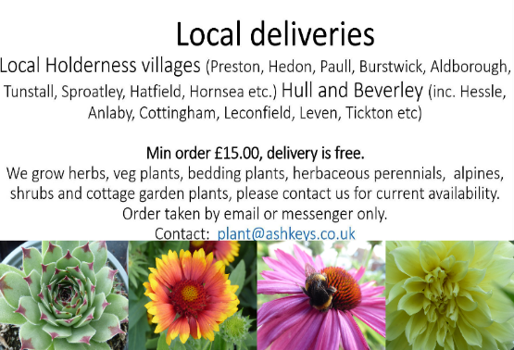

Whenever possible we use recyclable or biodegradable packing for our bulbs

Full list
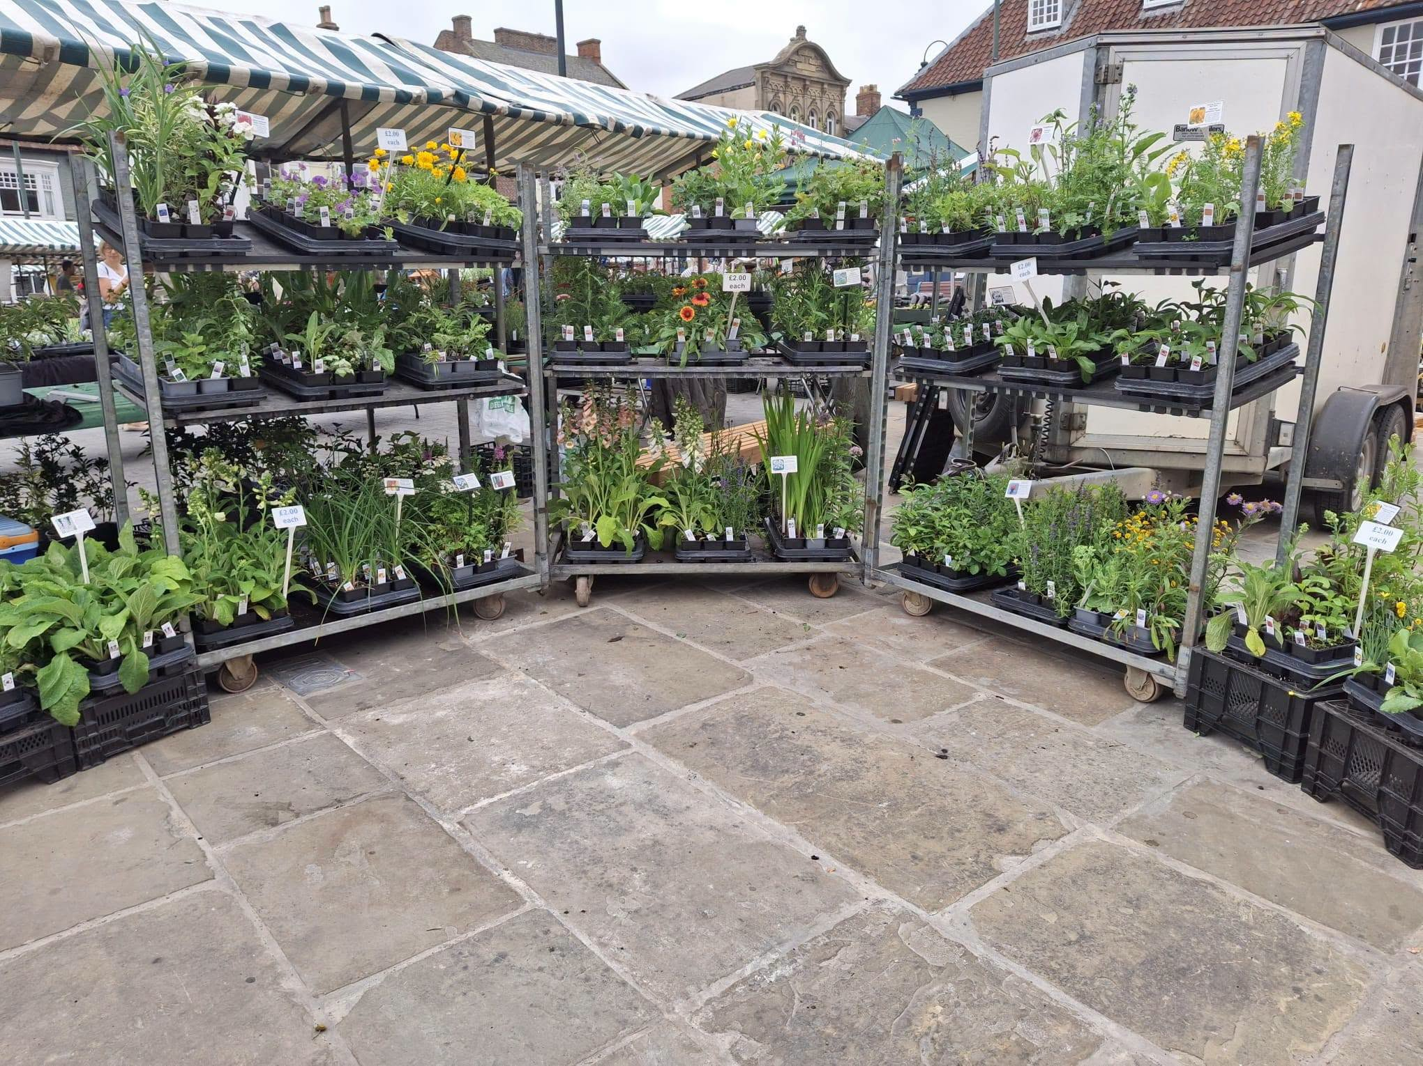
Ashkeys Growers, family run Plant Nursery, based in South Holderness, established in 1983
 |  |  |  |  | Email: plants@ashkeys.co.uk Website: www.ashkeys.co.uk Facebook: www.facebook.co.uk/ashkeysgrowers

Herbaceous perennials, alpines and ground cover plants - main season March to October
 | Flower colour | Height | Flowering time | Position |  | Pot size, price
Most herbaceous perennials die back in the winter meaning they loose their foliage and will reappear in Spring. We'll have a full list again from March 2024. Our herbaceous perennials are grown outdoors or in unheated polytunnels to maintain natural hardy growing habits.

Achillea 'Fruit bowl' | Mixed | 60 cm (2ft) | Summer - autumn | Sun, well drained |  | 9 cm pots, £2.00
Aquilegia 'Ruby Port' | Deep red | 45-60 cm | Spring - summer | Sun, well drained | Double flowers | 9 cm pots, £2.00
Aquilegia 'William guiness' | Deep purple, white | 45-60 cm | Spring - summer | Sun, well drained |  | 9 cm pots, £2.00
Aquilegia caerulea mix | Mixed | 45-60 cm | Spring - summer | Sun, well drained |  | 9 cm pots, £2.00
Agastache foeniculum | Purple | 90 cm (3ft) | Summer - autumn | Sun, well drained | Good bee plant | 9 cm pots, £2.00
Coreopsis 'Sun Globe' | Yellow | 30 cm (12") | Summer | Sun, well drained | Double flowers | 9 cm pots, £2.00
Clematis intergrifolia 'Mongolian bells' | Mixed | 30-45 cm | Summer | Sun, semishade | Herbacoues type | 9 cm pots, £2.00
Digitalis 'Elsy Kelsy' | White, deep pink centre | 90 cm (3ft) | Spring | Semishade | Good bee plant | 9 cm pots, £2.00
Echinacea purpurea 'White swan' | White | 90 cm (3ft) | Autumn | Well drained, sun | Good bee plant | 9 cm pots, £2.00
Echinacea purpurea 'Bravado' | Deep pink | 60 cm (2ft) | Summer | sun, well drained | Good bee plant | 9 cm pots, £2.00
Euphorbia × martini Miner's Merlot PBR | Yellow | 60 cm (2ft) | Spring | Sun - Semishade, moist | Deep purple foliage | 9 cm pot, £4.00
Hosta aureomarginata | Mauve | 60 cm (2ft) | Summer | Semishade | White with cream white edge | 2li pot £6.00
Hosta 'Hacksaw' | Lilac | 30 cm (12") | Summer | Semishade | Thin green leaves | 1li pot £6.00
Hosta 'Guacamole' | White | 90 cm (3ft) | Summer | Semishade | Large, green/yellow leaves | 2li pot £6.00
Hosta Gypsy rose | Mauve | 45 cm (18") | Summer | Semishade | Green leaves with cream centre | 2li pot £6.00
Hosta 'Kiwi full monty' | Lavender | 60 cm | Summer | Semishade | Blue green, with yellow centre | 2li pot £6.00
Hosta 'Lakeside dimpled darling' | Pale cream | 20 cm (8") | Summer | Semishade | Green, strong white edge | 1li pot £6.00
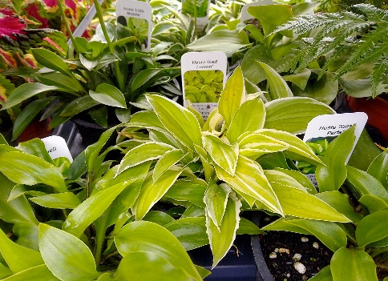
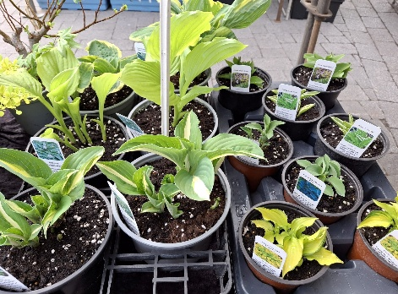
Minature hostas summer 2025
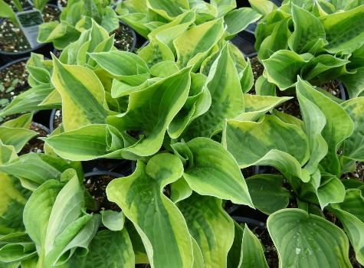
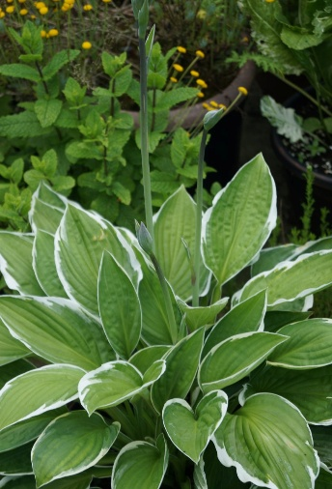
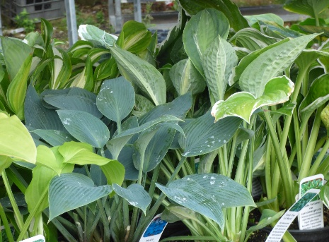
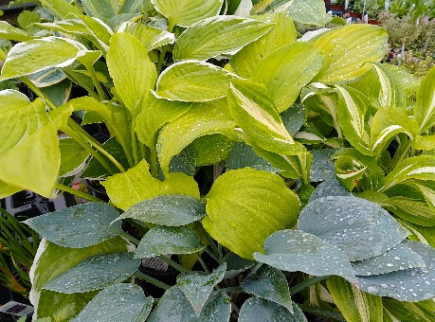

Hosta 'Little maddie' | Pale lavender | 20 cm (8") | Summer | Semishade | Green, cream mottle | 1li pot £6.00
Hosta Rippled honey' | Pale mauve | 45 cm (18") | Summer | Semishade | Narrow green leaves | 2li pot £6.00
Hosta siboldiana | White | 90 cm (3ft) | Summer | Semishade | Large pale green leaves | 2li pot £6.00
Hosta undulata variegata | Mauve | 45 cm (18") | Summer | Semishade | White/ green leaves | 2li pot £6.00
Hosta 'Ventusa' | Deep purple | 20 cm (8") | Summer | Semishade | Yellow, white edge leaves | 9 cm pot, £3.00
Kniphofia crown hybrids | Red / yellow / orange mix | 60 cm | Summer | Moist, sun |  | 9 cm pots, £2.00
Isatis tinctoria | Yellow | 90 cm - 120cm | Late spring-summer | Well drained | Dye plant | 9 cm pots, £2.00
Inula helenium | Yellow | 120-150 cm | Summer | Sun |  | 2li pot £4.50
Geranium pratense 'Rose Queen' | Pink | 60 cm (2ft) | Summer | Semishade |  | 2li pot £4.50
Geranium versicolor | Pink, pink vains | 30-45 cm | Summer | Semishade | Good bee plant | 9 cm pots, £2.00
Geranium pratense striatum 'Splish splash' | White/blue | 60 cm (2ft) | Summer | Semishade |  | 2li pot £4.50
Monarda 'Jacob Cline' | Red | 90 cm | Summer - Autumn | Light shade, good air flow | Good bee plant | 9 cm pots, £2.00
Lamium 'Beacon Silver' | Deep pink / purple | 20 cm (8") | Spring | Semishade | Silver green leaves | 9 cm pots, £2.00
Lobelisa 'Queen victoria' | Red | 90 cm | Autumn | Light shade, well drained, sheltered | Deep red leaves | 9 cm pot, £2.00
Lythrum salicaria 'Happy Lights' | Mixed | 90 cm | Summer | Sun, moist | Good bee plant | 9 cm pot, £2.00
Leucanthemum x superbum Brightside | White, yellow centre | 90 cm | Summer | Sun, moist | Good bee plant | 9 cm pot, £2.00
Lysimachia clethroides | White | 90 cm | Summer | Partial shade, moist | Good bee plant | 2li pot £4.50
Lychnis flos-cuculi 'Nana' | Mid pink | 15 cm | Summer | sun, well drained | Good bee plant | 9 cm pot, £2.00
Nepeta 'Six hills giant' | Mauve blue | 60 cm (2ft) | Spring- summer | sun, well drained | Good bee plant | 9 cm pots, £2.00
Nepeta musinii | Mauve blue | 30 cm (12") | Spring- summer | sun, well drained | Good bee plant | 9 cm pots, £2.00
Oenothera biennis | Yellow | 90 cm | Spring | sun, well drained |  | 9 cm pots, £2.00
Papaver 'Tangerine Gem' | Orange | 30 cm (12") | Spring - summer | sun, well drained |  | 9 cm pots, £2.00
Primula auricula 'Mixed' | Various colours | 20 cm (8") | Spring | Miost, well drained | Boarder auriculas | 9 cm pots, £3.00
Polemoneum 'Heavenly Habit' | Blue | 45 cm | Spring | Sun, semishade. Moist | Good bee plant | 9 cm pots, £2.00
Salvia 'Rose queen' | Pink | 45 cm | Summer | sun, well drained | Good bee plant | 9 cm pots, £2.00
Salvia 'Blue queen' | Purple | 45 cm | Summer | sun, well drained | Good bee plant | 9 cm pots, £2.00
Sedum 'Emperor's Wave' | Red | 30 cm (12") | Summer | sun, well drained | (Hylotelephium) | 9 cm pots, £2.00
Sisyrinchium californicum 'Brachypus' | Yellow | 20 cm (8") | Summer | Moist, sun |  | 9 cm pots, £2.00
Tanacetum vulgare 'Goldsticks' | Yellow | 90 cm (3ft) | Summer | Full sun |  | 9 cm pots, £2.00
Teucrium scorodonia 'crispum marginatum' | cream | 30 cm (12") | Summer | Light shade, moist |  | 9 cm pots, £2.00
Veronica subsessilis 'Blue pyrimid' | Blue | 45 cm (18") | Summer - autumn | sun, well drained | Good bee plant | 9 cm pots, £2.00
Veronica 'Pink goblin' | Bright pink | 30-45 cm | Summer | sun, well drained | Good bee plant | 9 cm pots, £2.00

Shrubs
Eucalyptus pulverulenta 'Baby Blue' | Yellow/grey | upto 2 m | Summer | Sun, sheltered | Foliage plant | 9 cm, £3.00
Morus alba (white mullbery) | White | 8-12 m | Spring | Sun | 20-50 years to maturity | 2li pot, £7.50
Morus nigra (black mullbery) | White | 8-12 m | Spring | Sun | Black berries | 2li pot, £7.50
Sambucus nigra 'Variegata' | White | 3 m | Summer | Sun, semishade, moist | Large shrub | 2li pot, £7.50
Sambucus nigra 'Black frills' | Pink | 3 m | Summer | Sun, semishade, moist | Large shrub | 2li pot, £7.50
Spiraea 'Gold fountain' | Pink | 80 cm | Summer | Sun, moist | Golden leaves | 2li pot, £7.50
Spiraea ''Anthony Waterer' | Pink, bright | 1.5 m | Summer | Sun, moist |  | 2li pot, £7.50
Thuja plicata 'Zebrina' |  | 12-15 m; 10 - 15 years to mature height |  | Sun | Variegated foliage | 2li pot, £7.50
Fuchsia magellanica var. molinae | Pale pink | 90 - 150 cm | Summer - Autumn | Sun, semishade, moist |  | 9 cm, £3.00

Alpines and ground cover
Arabis 'Spring charm' | Pink | 15-20 cm | Spring | Sun, well drained |  | 10 cm pots, £2.00
Ajuga Burgundy glow | Purple | 20 cm | Summer | Semi shade, moist | Varigated leaves | 10 cm pots, £2.00
Chaenorhinum Blue Eyes | Blue-purple | 15 cm (6'') | Summer | Sun, well drained |  | 10 cm pots, £2.00
Delosperma luckhoffi hybrids | Mixed | Creeping | Spring-autumn | Sun, well drained | Sheltered location | 10 cm pots, £2.00
Helianthumum 'Fire dragon' | Red | 20-30 cm | Spring - summer | Sun, well drained |  | 10 cm pots, £2.00
Helianthumum mutabiles pink | Mid pink | 20-30 cm | Spring - summer | Sun, well drained |  | 10 cm pots, £2.00
Linum flavum 'Compactum' | Yellow | 20-30 cm | Spring | Sun, well drained |  | 10 cm pots, £2.00
Lycinis alpina | Deep pink | 15 cm (6'') | Spring | sun, well drained |  | 10 cm pots, £2.00
Linaria aeruginea 'Neon lights' | Mixed | 15 cm (6'') | Summer | sun, well drained |  | 10 cm pots, £2.00
Pratia pedunculata | Blue | Creeping | Spring - autumn | Moist, partial shade | Will spread | 10 cm pots, £2.00
Rhodohypoxis 'White' | White | 10 cm (4") | Summer - autumn | sun, well drained |  | 10 cm pots, £2.00
Sedum spurium variegatum | Pink | 10 cm (4") | Spring - summer | sun, well drained | Green with pink and cream edge | 10 cm pots, £2.00
Sedum reflexum 'Yellow' | Yellow | 10 cm (4") | Sumer | sun, well drained | yellow leaves | 10 cm pots, £2.00
Sedum cape blanco | Yellow | 10 cm (4") | Sping | sun, well drained | Blue-grey leaves | 10 cm pots, £2.00
Sedum 'Voodoo' | Pink | 10 cm (4") | Spring - summer | sun, well drained | Red leaves | 10 cm pots, £2.00
Sempervivum arachnoideum |  | low growing | Summer | sun, well drained | Cobweb type | 10 cm pots, £2.00
Sempervivum 'Green wheel' |  | low growing | Summer | sun, well drained | green | 10 cm pots, £2.00
Sempervivum 'Hippy chicks' | Mixed | low growing | Summer | sun, well drained | Mixed colours | 10 cm pots, £2.00
Thymus 'Magic carpet' | Purple | low growing | Summer | Sun, well drained | Good bee plant | 10 cm pots, £2.00
Thymus 'Foxley' | Pale purple | 20 cm | Summer | Sun, well drained | Good bee plant | 9 cm pot, £2.00
Thymus 'Wooly' | Mauve | low growing | Summer | Sun, well drained | Good bee plant | 10 cm pots, £2.00
Veronica prostrata 'Nestor' | Blue | low growing | Summer | Sun, well drained | Good bee plant | 10 cm pots, £2.00
Veronica 'Trehane' | Blue | 10 cm (4") | Summer | Sun, well drained | Golden foliage | 10 cm pots, £2.00

Houseplants
Crassula perforata |  | 20 cm (8") |  | sun, well drained | House plant- Protect from frost | 10 cm pots, £4.00
Sedum adolphi |  | 20 cm (8") |  | sun, well drained | House plant- Protect from frost | 7 cm pots, £2.50
Echeveria (various) |  | 20 cm (8") |  | sun, well drained | House plant- Protect from frost | 7 cm pots, £2.50
Aloe |  | 30-45 cm |  | sun, well drained | House plant- Protect from frost | 7 cm pots, £2.50
Cyrtanthus elatus | Red | 45 cm | Late summer | sun, well drained | House plant- Protect from frost | 7 cm pots, £2.50
Portulaca afra variegated |  | upto 60 cm |  | sun, well drained | House plant- Protect from frost | 7 cm pots, £2.50
Christmas cactus |  | 20 cm (8") |  | sun, well drained | House plant- Protect from frost | 10 cm pots, £4.00

Herbs
Alpine strawberry | White | 30 cm | Summer | Sun, moist | Edible fruit | 9 cm pots, £2.00
Angelica | Cream | 1.2 m (4ft) | Spring | Sun,light shade |  | 9 cm pots, £2.00
Arnica | Yellow | 45 cm (1.5 ft) | Summer | Sun,moist |  | 9 cm pots, £2.00
Agrimony | Yellow | 45 cm (1.5 ft) | Summer | Sun,moist |  | 9 cm pots, £2.00
Asparagus 'Precoce D' Argentuil' |  |  |  | Sun, fertile land | Perennial veg | 9 cm pots, £2.00
Balm lemon |  | 75 cm (2.5ft) | Spring | Sun, moist | Scented foliage | 9 cm pots, £2.00
Balm lemon varigated |  | 45 cm (1.5 ft) |  | Semishade, moist | Golden yellow foliage | 9 cm pots, £2.00
Balm lemon 'All gold' |  | 45 cm (1.5 ft) |  | Semishade, moist | Golden yellow foliage | 9 cm pots, £2.00
Chamomile, roman | Yellow, white | 15 cm (6") | Summer | sun, well drained |  | 9 cm pots, £2.00
Cardoon | Purple | 1.2 - 1.5 m | Summer | sun, well drained | Good bee plant | 9 cm pots, £2.00
Chives | Pink-mauve | 45 cm (1.5 ft) | Spring | sun, well drained | Good bee plant | 9 cm pots, £2.00
Curly wood sage | Cream | 30-45 cm | Summer | Semishade |  | 9 cm pot £2.00
Curry plant dwarf | Yellow | 30 cm | Spring | sun, well drained |  | 9 cm pot, £2.00
Dwarf comfrey | white/red | 30 cm (1ft) | Spring | Semishade | Will spread | 9 cm pot £2.00
Elecampagne | Yellow | 1.2-1.5 m | Summer | sun, well drained | Good for pollinators | 2 li pot £4.50
Fennel 'Bronze' | Yellow | 120 cm (4ft) | Summer | sun, well drained | Foliage plant | 9 cm pot, £2.00
French tarrogon |  | 60 cm (2ft) |  | sun, well drained | Protect from frost | 9 cm pot £3.00
Hyssop 'Blue' | Blue | 45 cm (1.5 ft) | Summer | sun, well drained | Good bee plant | 9 cm pot, £2.00
Lavender 'Grosso' | Mauve - purple | 90 cm | Summer | sun, well drained | Good bee plant | 9 cm pot, £2.00
Lemon verbena |  | 90 cm |  | sun, well drained | Protect from forst | 9 cm pot £3.00
Marjoram | Mauve pink | 45 cm (1.5 ft) | Summer | sun, well drained | Yellow foliage | 9 cm pot, £2.00
Mint 'Atlas Mountain' |  | 45 - 60 cm (1.5 - 2 ft) | Summer | Partial shade | Good bee plant | 9 cm pot, £2.00
Mint 'Corsican' | Mauve | Creeping | Summer | Partial shade, sheltered |  | 9 cm pot, £2.00
Mint 'Ginger' | Mauve | 30 cm (1ft) | Summer | Partial shade, sheltered | Varigated (yellow) | 9 cm pot, £2.00
Mint 'Grapefruit' |  | 30 cm (1ft) | Summer | Partial shade, sheltered | Varigated (yellow) | 9 cm pot, £2.00
Mint 'Lemon' | Pale mauve | 45 - 60 cm (1.5 - 2 ft) | Summer | Partial shade | Good bee plant | 9 cm pot, £2.00
Mint 'Mojito' |  | 45 - 60 cm (1.5 - 2 ft) | Summer | Partial shade | Good bee plant | 9 cm pot, £2.00
Mint 'Newbourne' |  | 45 - 60 cm (1.5 - 2 ft) | Summer | Partial shade | Spearmint | 9 cm pot, £2.00
Mint 'Nile Valley' | Pale purple | 45 - 60 cm (1.5 - 2 ft) | Summer | Partial shade | Spearmint | 9 cm pot, £2.00
Mint 'Red' |  | 45 - 60 cm (1.5 - 2 ft) | Summer | Partial shade | Good bee plant | 9 cm pot, £2.00
Mint 'Sweet pear' | Pale mauve | 30-45 cm | Summer | Partial shade | Good bee plant | 9 cm pot, £2.00
Mint 'Swiss' |  | 45 - 60 cm (1.5 - 2 ft) | Summer | Partial shade | peppermint | 9 cm pot, £2.00
Mint 'Tic Tac' |  | 45 - 60 cm (1.5 - 2 ft) | Summer | Partial shade | Good bee plant | 9 cm pot, £2.00
Mint, 'After eight' |  | 45 - 60 cm (1.5 - 2 ft) | Summer | Partial shade | Good bee plant | 9 cm pot, £2.00
Mint, Apple | Mauve | 60 - 75 cm | Summer | Partial shade | Good bee plant | 9 cm pot, £2.00
Mint, apple varigated | Pale purple | 30 cm (1ft) | Summer | Partial shade | Good bee plant | 9 cm pot, £2.00
Mint, moroccan | White | 30-45 cm | Summer | Partial shade | Spearmint | 9 cm pot, £2.00
Mint, spear curly | White | 45 - 60 cm (1.5 - 2 ft) | Summer | Partial shade | Spearmint | 9 cm pot, £2.00
Mint, spear 'Garden' |  |  |  | Partial shade | Spearmint | 9 cm pot, £2.00
Mint, spearmint | White | 45 - 60 cm (1.5 - 2 ft) | Summer | Partial shade | Spearmint | 9 cm pot, £2.00
Mint, spearmint 'Tashkent' | White | 45 - 60 cm (1.5 - 2 ft) | Summer | Partial shade | Fruit mint | 9 cm pot, £2.00
Mint, strawberry | Pale mauve | 30-45 cm | Summer | Partial shade | Good bee plant | 9 cm pot, £2.00
Mint, white peppermint' | White | 30-45 cm | Summer | Partial shade | Good bee plant | 9 cm pot, £2.00
Mint, variaged peppermint 'Logee' | White | 30-45 cm | Summer | Partial shade | Good bee plant | 9 cm pot, £2.00
Myrtle | White | 2-3 m | Summer | Sun, sheltered |  | 9 cm pot, £3.00
Myrtle 'Varigated' | White | 2-3 m | Summer | Sun, sheltered |  | 9 cm pot, £3.00
Oregano | Pink | 45 cm (1.5 ft) | Summer | Sun | Good bee plant | 9 cm pot, £2.00
Rosemary | Blue | 90 cm | Spring | Full sun | Culinary | 9 cm pot £2.00
Rosemary 'Pink' | Pink | 60 cm (2ft) | Spring | Full sun | Culinary | 9 cm pot £2.00
Rosemary 'creeping' | Blue | 30 cm | Spring | Full sun | Culinary | 9 cm pot £2.00
Sage 'Broadleaved' |  | 60 cm (2ft) |  | Sun, well drained | Culinary | 9 cm pot £2.00
Sage 'Purple' |  | 60 cm (2ft) |  | Sun, well drained | Culinary | 9 cm pot £2.00
Sage, blackcurrant | Cerise pink | 75 cm (2.5ft) | Summer -autumn | Sun, sheltered | Scented foliage | 9 cm pot £3.00
Sage tangerine | Deep pink | 60 cm (2ft) | Summer -autumn | Sun, sheltered | Scented foliage | 9 cm pot £3.00
Sage 'Pineapple' | Red | 60 cm (2ft) | Summer -autumn | Sun, sheltered | Scented foliage | 9 cm pot £3.00
Sorrel, french |  | 15 cm |  | Sun, light shade | Edible leaves | 9 cm pot £2.00
Sorrel, broadleaved |  | 45-60 cm |  | Sun, light shade | Edible leaves | 9 cm pot £2.00
Soapwort | Pale pink | 60 cm (2ft) | Summer | Sun, light shade |  | 9 cm pot £2.00
Tansy | Yellow | 90 cm (3ft) | Summer | Full sun |  | 9 cm pots, £2.00
Thyme culinary | Pink | 30 cm | Summer | sun, well drained | Good bee plant | 9 cm pot £2.00
Thyme 'Orange scented' | Pale pink | 30 cm | Summer | sun, well drained | Good bee plant | 9 cm pot £2.00
Thyme 'Faustini' | Pale pink | 30 cm | Summer | sun, well drained | Good bee plant | 9 cm pot £2.00
Thyme 'Lemon varigated' | Mauve purple | 30 cm | Summer | sun, well drained | Varigated leaves | 9 cm pot £2.00
Thyme 'Foxley' | Mauve purple | 30 cm | Summer | sun, well drained | Varigated leaves | 9 cm pot £2.00
Tree onion |  | 45-60 cm | Summer | Sun, well drained | Walking onion' | 9 cm pot £2.00
Welsh onion | White | 60 cm (2ft) | Spring | Sun, well drained | Good bee plant | 9 cm pot £2.00
Woad | Yellow | 90 cm - 120cm | Late spring-summer | Well drained | Dye plant | 9 cm pots, £2.00
Vervian | White/pale pink | 90 cm | Late spring-summer | Well drained |  | 9 cm pots, £2.00

Plant collections and 6 packs
Mixed culinary herbs |  | 6 different culinary herbs in 9 cm pots |  |  |  | £12.00
Unusual culinary herbs |  | 6 different culinary herbs in 9 cm pots |  |  |  | £12.00
Herbs for bees |  | 6 different herbs in 9 cm pots |  |  |  | £12.00
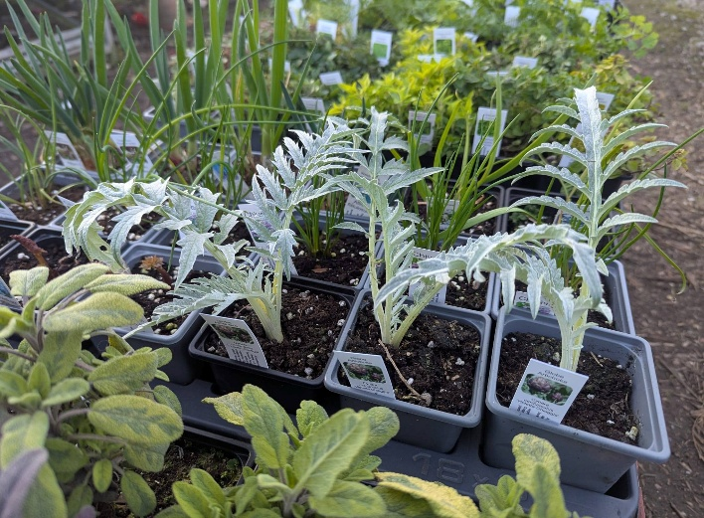
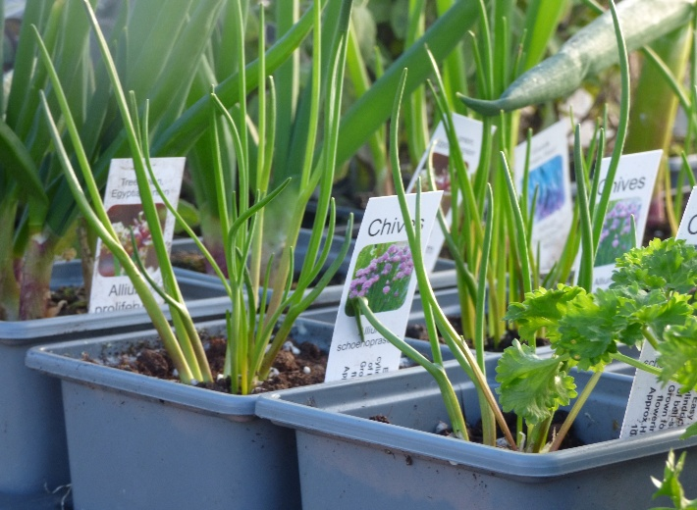

Veg plants
Asparagus 'Precoce D' Argentuil' |  |  |  | Sun, fertile land | Perennial veg | 9 cm pots, £2.00
Alpine strawberry | White | 30 cm | Summer | Sun, moist | Edible fruit, Perennial veg | 9 cm pots, £2.00
Rhurarb 'Victoria' |  |  |  |  |  | 9 cm pots, £2.00

Lettuce | Summer butterhead type |  |  |  |  | 7 cm pot, 40p each

Gooseberry 'Whinhams industry' | heavy crops of large, good quality, sweet deep red fruits |  |  |  |  | 2li pot £5.50
Blackcurrant 'Baldwin' | Mid season, good flavour considered one of the best. Fruit hang well. |  |  |  |  | 2li pot £5.50
Gooseberry 'Hinnonmakia Green' | An excellent very hardy and vigorous mid-season variety. A consistently prolific cropper of very large, well flavoured fruit. |  |  |  |  | 2li pot £5.50

